Step 1.2
Simulated Vo vs. Vsig of a Emitter Follower
Vsig | Vo | IE2
Volts | Volts | Amps
-5.00E+00 | -4.68E+00 | 2.25E-09
-4.50E+00 | -4.68E+00 | -3.15E-08
-4.00E+00 | -4.48E+00 | -2.82E-05
-3.50E+00 | -4.02E+00 | -9.12E-05
-3.00E+00 | -3.55E+00 | -1.54E-04
-2.50E+00 | -3.05E+00 | -1.85E-04
-2.00E+00 | -2.55E+00 | -1.85E-04
-1.50E+00 | -2.05E+00 | -1.85E-04
-1.00E+00 | -1.55E+00 | -1.85E-04
-5.00E-01 | -1.05E+00 | -1.85E-04
0.00E+00 | -5.53E-01 | -1.85E-04
5.00E-01 | -5.27E-02 | -1.85E-04
1.00E+00 | 4.47E-01 | -1.85E-04
1.50E+00 | 9.47E-01 | -1.85E-04
2.00E+00 | 1.45E+00 | -1.85E-04
2.50E+00 | 1.95E+00 | -1.85E-04
3.00E+00 | 2.45E+00 | -1.85E-04
3.50E+00 | 2.95E+00 | -1.85E-04
4.00E+00 | 3.45E+00 | -1.85E-04
4.50E+00 | 3.95E+00 | -1.85E-04
5.00E+00 | 4.45E+00 | -1.85E-04

Step 1.3
Voltage Gain of a CC Amplifier
Frequency | vm(vo) | ph(v(vo)) | Av = 20*log(|Vo|/1mV)
Hz | Volts | deg | dB
1.00E+02 | 1.00E-03 | -1.48E-09 | 0.00
1.02E+02 | 1.00E-03 | -1.51E-09 | 0.00
1.05E+02 | 1.00E-03 | -1.55E-09 | 0.00
1.07E+02 | 1.00E-03 | -1.58E-09 | 0.00
1.10E+02 | 1.00E-03 | -1.62E-09 | 0.00
1.12E+02 | 1.00E-03 | -1.66E-09 | 0.00
1.15E+02 | 1.00E-03 | -1.69E-09 | 0.00
1.17E+02 | 1.00E-03 | -1.73E-09 | 0.00
1.20E+02 | 1.00E-03 | -1.77E-09 | 0.00
1.23E+02 | 1.00E-03 | -1.81E-09 | 0.00
1.26E+02 | 1.00E-03 | -1.86E-09 | 0.00
1.29E+02 | 1.00E-03 | -1.90E-09 | 0.00
1.31E+02 | 1.00E-03 | -1.94E-09 | 0.00
1.34E+02 | 1.00E-03 | -1.99E-09 | 0.00
1.38E+02 | 1.00E-03 | -2.03E-09 | 0.00
1.41E+02 | 1.00E-03 | -2.08E-09 | 0.00
1.44E+02 | 1.00E-03 | -2.13E-09 | 0.00
1.47E+02 | 1.00E-03 | -2.18E-09 | 0.00
1.51E+02 | 1.00E-03 | -2.23E-09 | 0.00
1.54E+02 | 1.00E-03 | -2.28E-09 | 0.00
1.58E+02 | 1.00E-03 | -2.33E-09 | 0.00
1.61E+02 | 1.00E-03 | -2.39E-09 | 0.00
1.65E+02 | 1.00E-03 | -2.44E-09 | 0.00
1.69E+02 | 1.00E-03 | -2.50E-09 | 0.00
1.73E+02 | 1.00E-03 | -2.55E-09 | 0.00
1.77E+02 | 1.00E-03 | -2.61E-09 | 0.00
1.81E+02 | 1.00E-03 | -2.67E-09 | 0.00
1.85E+02 | 1.00E-03 | -2.73E-09 | 0.00
1.89E+02 | 1.00E-03 | -2.80E-09 | 0.00
1.94E+02 | 1.00E-03 | -2.86E-09 | 0.00
1.98E+02 | 1.00E-03 | -2.93E-09 | 0.00
2.03E+02 | 1.00E-03 | -3.00E-09 | 0.00
2.07E+02 | 1.00E-03 | -3.07E-09 | 0.00
2.12E+02 | 1.00E-03 | -3.14E-09 | 0.00
2.17E+02 | 1.00E-03 | -3.21E-09 | 0.00
2.22E+02 | 1.00E-03 | -3.28E-09 | 0.00
2.27E+02 | 1.00E-03 | -3.36E-09 | 0.00
2.32E+02 | 1.00E-03 | -3.44E-09 | 0.00
2.38E+02 | 1.00E-03 | -3.51E-09 | 0.00
2.43E+02 | 1.00E-03 | -3.60E-09 | 0.00
2.49E+02 | 1.00E-03 | -3.68E-09 | 0.00
2.55E+02 | 1.00E-03 | -3.76E-09 | 0.00
2.61E+02 | 1.00E-03 | -3.85E-09 | 0.00
2.67E+02 | 1.00E-03 | -3.94E-09 | 0.00
2.73E+02 | 1.00E-03 | -4.03E-09 | 0.00
2.79E+02 | 1.00E-03 | -4.12E-09 | 0.00
2.85E+02 | 1.00E-03 | -4.22E-09 | 0.00
2.92E+02 | 1.00E-03 | -4.31E-09 | 0.00
2.99E+02 | 1.00E-03 | -4.41E-09 | 0.00
3.06E+02 | 1.00E-03 | -4.52E-09 | 0.00
3.13E+02 | 1.00E-03 | -4.62E-09 | 0.00
3.20E+02 | 1.00E-03 | -4.73E-09 | 0.00
3.27E+02 | 1.00E-03 | -4.84E-09 | 0.00
3.35E+02 | 1.00E-03 | -4.95E-09 | 0.00
3.42E+02 | 1.00E-03 | -5.06E-09 | 0.00
3.50E+02 | 1.00E-03 | -5.18E-09 | 0.00
3.58E+02 | 1.00E-03 | -5.30E-09 | 0.00
3.67E+02 | 1.00E-03 | -5.42E-09 | 0.00
3.75E+02 | 1.00E-03 | -5.54E-09 | 0.00
3.84E+02 | 1.00E-03 | -5.67E-09 | 0.00
3.93E+02 | 1.00E-03 | -5.80E-09 | 0.00
4.02E+02 | 1.00E-03 | -5.94E-09 | 0.00
4.11E+02 | 1.00E-03 | -6.07E-09 | 0.00
4.20E+02 | 1.00E-03 | -6.21E-09 | 0.00
4.30E+02 | 1.00E-03 | -6.36E-09 | 0.00
4.40E+02 | 1.00E-03 | -6.50E-09 | 0.00
4.50E+02 | 1.00E-03 | -6.65E-09 | 0.00
4.61E+02 | 1.00E-03 | -6.81E-09 | 0.00
4.71E+02 | 1.00E-03 | -6.96E-09 | 0.00
4.82E+02 | 1.00E-03 | -7.13E-09 | 0.00
4.93E+02 | 1.00E-03 | -7.29E-09 | 0.00
5.05E+02 | 1.00E-03 | -7.46E-09 | 0.00
5.16E+02 | 1.00E-03 | -7.63E-09 | 0.00
5.28E+02 | 1.00E-03 | -7.81E-09 | 0.00
5.40E+02 | 1.00E-03 | -7.99E-09 | 0.00
5.53E+02 | 1.00E-03 | -8.17E-09 | 0.00
5.66E+02 | 1.00E-03 | -8.36E-09 | 0.00
5.79E+02 | 1.00E-03 | -8.55E-09 | 0.00
5.92E+02 | 1.00E-03 | -8.75E-09 | 0.00
6.06E+02 | 1.00E-03 | -8.95E-09 | 0.00
6.20E+02 | 1.00E-03 | -9.16E-09 | 0.00
6.34E+02 | 1.00E-03 | -9.37E-09 | 0.00
6.48E+02 | 1.00E-03 | -9.58E-09 | 0.00
6.63E+02 | 1.00E-03 | -9.80E-09 | 0.00
6.79E+02 | 1.00E-03 | -1.00E-08 | 0.00
6.94E+02 | 1.00E-03 | -1.03E-08 | 0.00
7.10E+02 | 1.00E-03 | -1.05E-08 | 0.00
7.27E+02 | 1.00E-03 | -1.07E-08 | 0.00
7.44E+02 | 1.00E-03 | -1.10E-08 | 0.00
7.61E+02 | 1.00E-03 | -1.12E-08 | 0.00
7.78E+02 | 1.00E-03 | -1.15E-08 | 0.00
7.96E+02 | 1.00E-03 | -1.18E-08 | 0.00
8.15E+02 | 1.00E-03 | -1.20E-08 | 0.00
8.33E+02 | 1.00E-03 | -1.23E-08 | 0.00
8.52E+02 | 1.00E-03 | -1.26E-08 | 0.00
8.72E+02 | 1.00E-03 | -1.29E-08 | 0.00
8.92E+02 | 1.00E-03 | -1.32E-08 | 0.00
9.13E+02 | 1.00E-03 | -1.35E-08 | 0.00
9.34E+02 | 1.00E-03 | -1.38E-08 | 0.00
9.55E+02 | 1.00E-03 | -1.41E-08 | 0.00
9.77E+02 | 1.00E-03 | -1.44E-08 | 0.00
1.00E+03 | 1.00E-03 | -1.48E-08 | 0.00
1.02E+03 | 1.00E-03 | -1.51E-08 | 0.00
1.05E+03 | 1.00E-03 | -1.55E-08 | 0.00
1.07E+03 | 1.00E-03 | -1.58E-08 | 0.00
1.10E+03 | 1.00E-03 | -1.62E-08 | 0.00
1.12E+03 | 1.00E-03 | -1.66E-08 | 0.00
1.15E+03 | 1.00E-03 | -1.69E-08 | 0.00
1.17E+03 | 1.00E-03 | -1.73E-08 | 0.00
1.20E+03 | 1.00E-03 | -1.77E-08 | 0.00
1.23E+03 | 1.00E-03 | -1.81E-08 | 0.00
1.26E+03 | 1.00E-03 | -1.86E-08 | 0.00
1.29E+03 | 1.00E-03 | -1.90E-08 | 0.00
1.31E+03 | 1.00E-03 | -1.94E-08 | 0.00
1.34E+03 | 1.00E-03 | -1.99E-08 | 0.00
1.38E+03 | 1.00E-03 | -2.03E-08 | 0.00
1.41E+03 | 1.00E-03 | -2.08E-08 | 0.00
1.44E+03 | 1.00E-03 | -2.13E-08 | 0.00
1.47E+03 | 1.00E-03 | -2.18E-08 | 0.00
1.51E+03 | 1.00E-03 | -2.23E-08 | 0.00
1.54E+03 | 1.00E-03 | -2.28E-08 | 0.00
1.58E+03 | 1.00E-03 | -2.33E-08 | 0.00
1.61E+03 | 1.00E-03 | -2.39E-08 | 0.00
1.65E+03 | 1.00E-03 | -2.44E-08 | 0.00
1.69E+03 | 1.00E-03 | -2.50E-08 | 0.00
1.73E+03 | 1.00E-03 | -2.55E-08 | 0.00
1.77E+03 | 1.00E-03 | -2.61E-08 | 0.00
1.81E+03 | 1.00E-03 | -2.67E-08 | 0.00
1.85E+03 | 1.00E-03 | -2.73E-08 | 0.00
1.89E+03 | 1.00E-03 | -2.80E-08 | 0.00
1.94E+03 | 1.00E-03 | -2.86E-08 | 0.00
1.98E+03 | 1.00E-03 | -2.93E-08 | 0.00
2.03E+03 | 1.00E-03 | -3.00E-08 | 0.00
2.07E+03 | 1.00E-03 | -3.07E-08 | 0.00
2.12E+03 | 1.00E-03 | -3.14E-08 | 0.00
2.17E+03 | 1.00E-03 | -3.21E-08 | 0.00
2.22E+03 | 1.00E-03 | -3.28E-08 | 0.00
2.27E+03 | 1.00E-03 | -3.36E-08 | 0.00
2.32E+03 | 1.00E-03 | -3.44E-08 | 0.00
2.38E+03 | 1.00E-03 | -3.51E-08 | 0.00
2.43E+03 | 1.00E-03 | -3.60E-08 | 0.00
2.49E+03 | 1.00E-03 | -3.68E-08 | 0.00
2.55E+03 | 1.00E-03 | -3.76E-08 | 0.00
2.61E+03 | 1.00E-03 | -3.85E-08 | 0.00
2.67E+03 | 1.00E-03 | -3.94E-08 | 0.00
2.73E+03 | 1.00E-03 | -4.03E-08 | 0.00
2.79E+03 | 1.00E-03 | -4.12E-08 | 0.00
2.85E+03 | 1.00E-03 | -4.22E-08 | 0.00
2.92E+03 | 1.00E-03 | -4.31E-08 | 0.00
2.99E+03 | 1.00E-03 | -4.41E-08 | 0.00
3.06E+03 | 1.00E-03 | -4.52E-08 | 0.00
3.13E+03 | 1.00E-03 | -4.62E-08 | 0.00
3.20E+03 | 1.00E-03 | -4.73E-08 | 0.00
3.27E+03 | 1.00E-03 | -4.84E-08 | 0.00
3.35E+03 | 1.00E-03 | -4.95E-08 | 0.00
3.42E+03 | 1.00E-03 | -5.06E-08 | 0.00
3.50E+03 | 1.00E-03 | -5.18E-08 | 0.00
3.58E+03 | 1.00E-03 | -5.30E-08 | 0.00
3.67E+03 | 1.00E-03 | -5.42E-08 | 0.00
3.75E+03 | 1.00E-03 | -5.54E-08 | 0.00
3.84E+03 | 1.00E-03 | -5.67E-08 | 0.00
3.93E+03 | 1.00E-03 | -5.80E-08 | 0.00
4.02E+03 | 1.00E-03 | -5.94E-08 | 0.00
4.11E+03 | 1.00E-03 | -6.07E-08 | 0.00
4.20E+03 | 1.00E-03 | -6.21E-08 | 0.00
4.30E+03 | 1.00E-03 | -6.36E-08 | 0.00
4.40E+03 | 1.00E-03 | -6.50E-08 | 0.00
4.50E+03 | 1.00E-03 | -6.65E-08 | 0.00
4.61E+03 | 1.00E-03 | -6.81E-08 | 0.00
4.71E+03 | 1.00E-03 | -6.96E-08 | 0.00
4.82E+03 | 1.00E-03 | -7.13E-08 | 0.00
4.93E+03 | 1.00E-03 | -7.29E-08 | 0.00
5.05E+03 | 1.00E-03 | -7.46E-08 | 0.00
5.16E+03 | 1.00E-03 | -7.63E-08 | 0.00
5.28E+03 | 1.00E-03 | -7.81E-08 | 0.00
5.40E+03 | 1.00E-03 | -7.99E-08 | 0.00
5.53E+03 | 1.00E-03 | -8.17E-08 | 0.00
5.66E+03 | 1.00E-03 | -8.36E-08 | 0.00
5.79E+03 | 1.00E-03 | -8.55E-08 | 0.00
5.92E+03 | 1.00E-03 | -8.75E-08 | 0.00
6.06E+03 | 1.00E-03 | -8.95E-08 | 0.00
6.20E+03 | 1.00E-03 | -9.16E-08 | 0.00
6.34E+03 | 1.00E-03 | -9.37E-08 | 0.00
6.48E+03 | 1.00E-03 | -9.58E-08 | 0.00
6.63E+03 | 1.00E-03 | -9.80E-08 | 0.00
6.79E+03 | 1.00E-03 | -1.00E-07 | 0.00
6.94E+03 | 1.00E-03 | -1.03E-07 | 0.00
7.10E+03 | 1.00E-03 | -1.05E-07 | 0.00
7.27E+03 | 1.00E-03 | -1.07E-07 | 0.00
7.44E+03 | 1.00E-03 | -1.10E-07 | 0.00
7.61E+03 | 1.00E-03 | -1.12E-07 | 0.00
7.78E+03 | 1.00E-03 | -1.15E-07 | 0.00
7.96E+03 | 1.00E-03 | -1.18E-07 | 0.00
8.15E+03 | 1.00E-03 | -1.20E-07 | 0.00
8.33E+03 | 1.00E-03 | -1.23E-07 | 0.00
8.52E+03 | 1.00E-03 | -1.26E-07 | 0.00
8.72E+03 | 1.00E-03 | -1.29E-07 | 0.00
8.92E+03 | 1.00E-03 | -1.32E-07 | 0.00
9.13E+03 | 1.00E-03 | -1.35E-07 | 0.00
9.34E+03 | 1.00E-03 | -1.38E-07 | 0.00
9.55E+03 | 1.00E-03 | -1.41E-07 | 0.00
9.77E+03 | 1.00E-03 | -1.44E-07 | 0.00
1.00E+04 | 1.00E-03 | -1.48E-07 | 0.00
1.02E+04 | 1.00E-03 | -1.51E-07 | 0.00
1.05E+04 | 1.00E-03 | -1.55E-07 | 0.00
1.07E+04 | 1.00E-03 | -1.58E-07 | 0.00
1.10E+04 | 1.00E-03 | -1.62E-07 | 0.00
1.12E+04 | 1.00E-03 | -1.66E-07 | 0.00
1.15E+04 | 1.00E-03 | -1.69E-07 | 0.00
1.17E+04 | 1.00E-03 | -1.73E-07 | 0.00
1.20E+04 | 1.00E-03 | -1.77E-07 | 0.00
1.23E+04 | 1.00E-03 | -1.81E-07 | 0.00
1.26E+04 | 1.00E-03 | -1.86E-07 | 0.00
1.29E+04 | 1.00E-03 | -1.90E-07 | 0.00
1.31E+04 | 1.00E-03 | -1.94E-07 | 0.00
1.34E+04 | 1.00E-03 | -1.99E-07 | 0.00
1.38E+04 | 1.00E-03 | -2.03E-07 | 0.00
1.41E+04 | 1.00E-03 | -2.08E-07 | 0.00
1.44E+04 | 1.00E-03 | -2.13E-07 | 0.00
1.47E+04 | 1.00E-03 | -2.18E-07 | 0.00
1.51E+04 | 1.00E-03 | -2.23E-07 | 0.00
1.54E+04 | 1.00E-03 | -2.28E-07 | 0.00
1.58E+04 | 1.00E-03 | -2.33E-07 | 0.00
1.61E+04 | 1.00E-03 | -2.39E-07 | 0.00
1.65E+04 | 1.00E-03 | -2.44E-07 | 0.00
1.69E+04 | 1.00E-03 | -2.50E-07 | 0.00
1.73E+04 | 1.00E-03 | -2.55E-07 | 0.00
1.77E+04 | 1.00E-03 | -2.61E-07 | 0.00
1.81E+04 | 1.00E-03 | -2.67E-07 | 0.00
1.85E+04 | 1.00E-03 | -2.73E-07 | 0.00
1.89E+04 | 1.00E-03 | -2.80E-07 | 0.00
1.94E+04 | 1.00E-03 | -2.86E-07 | 0.00
1.98E+04 | 1.00E-03 | -2.93E-07 | 0.00
2.03E+04 | 1.00E-03 | -3.00E-07 | 0.00
2.07E+04 | 1.00E-03 | -3.06E-07 | 0.00
2.12E+04 | 1.00E-03 | -3.14E-07 | 0.00
2.17E+04 | 1.00E-03 | -3.21E-07 | 0.00
2.22E+04 | 1.00E-03 | -3.28E-07 | 0.00
2.27E+04 | 1.00E-03 | -3.36E-07 | 0.00
2.32E+04 | 1.00E-03 | -3.43E-07 | 0.00
2.38E+04 | 1.00E-03 | -3.51E-07 | 0.00
2.43E+04 | 1.00E-03 | -3.59E-07 | 0.00
2.49E+04 | 1.00E-03 | -3.68E-07 | 0.00
2.55E+04 | 1.00E-03 | -3.76E-07 | 0.00
2.61E+04 | 1.00E-03 | -3.85E-07 | 0.00
2.67E+04 | 1.00E-03 | -3.94E-07 | 0.00
2.73E+04 | 1.00E-03 | -4.03E-07 | 0.00
2.79E+04 | 1.00E-03 | -4.12E-07 | 0.00
2.85E+04 | 1.00E-03 | -4.22E-07 | 0.00
2.92E+04 | 1.00E-03 | -4.31E-07 | 0.00
2.99E+04 | 1.00E-03 | -4.41E-07 | 0.00
3.06E+04 | 1.00E-03 | -4.51E-07 | 0.00
3.13E+04 | 1.00E-03 | -4.62E-07 | 0.00
3.20E+04 | 1.00E-03 | -4.73E-07 | 0.00
3.27E+04 | 1.00E-03 | -4.83E-07 | 0.00
3.35E+04 | 1.00E-03 | -4.95E-07 | 0.00
3.42E+04 | 1.00E-03 | -5.06E-07 | 0.00
3.50E+04 | 1.00E-03 | -5.18E-07 | 0.00
3.58E+04 | 1.00E-03 | -5.30E-07 | 0.00
3.67E+04 | 1.00E-03 | -5.42E-07 | 0.00
3.75E+04 | 1.00E-03 | -5.54E-07 | 0.00
3.84E+04 | 1.00E-03 | -5.67E-07 | 0.00
3.93E+04 | 1.00E-03 | -5.80E-07 | 0.00
4.02E+04 | 1.00E-03 | -5.93E-07 | 0.00
4.11E+04 | 1.00E-03 | -6.07E-07 | 0.00
4.20E+04 | 1.00E-03 | -6.21E-07 | 0.00
4.30E+04 | 1.00E-03 | -6.35E-07 | 0.00
4.40E+04 | 1.00E-03 | -6.50E-07 | 0.00
4.50E+04 | 1.00E-03 | -6.65E-07 | 0.00
4.61E+04 | 1.00E-03 | -6.80E-07 | 0.00
4.71E+04 | 1.00E-03 | -6.96E-07 | 0.00
4.82E+04 | 1.00E-03 | -7.12E-07 | 0.00
4.93E+04 | 1.00E-03 | -7.28E-07 | 0.00
5.05E+04 | 1.00E-03 | -7.45E-07 | 0.00
5.16E+04 | 1.00E-03 | -7.62E-07 | 0.00
5.28E+04 | 1.00E-03 | -7.80E-07 | 0.00
5.40E+04 | 1.00E-03 | -7.98E-07 | 0.00
5.53E+04 | 1.00E-03 | -8.16E-07 | 0.00
5.66E+04 | 1.00E-03 | -8.35E-07 | 0.00
5.79E+04 | 1.00E-03 | -8.54E-07 | 0.00
5.92E+04 | 1.00E-03 | -8.74E-07 | 0.00
6.06E+04 | 1.00E-03 | -8.94E-07 | 0.00
6.20E+04 | 1.00E-03 | -9.15E-07 | 0.00
6.34E+04 | 1.00E-03 | -9.36E-07 | 0.00
6.48E+04 | 1.00E-03 | -9.57E-07 | 0.00
6.63E+04 | 1.00E-03 | -9.79E-07 | 0.00
6.79E+04 | 1.00E-03 | -1.00E-06 | 0.00
6.94E+04 | 1.00E-03 | -1.02E-06 | 0.00
7.10E+04 | 1.00E-03 | -1.05E-06 | 0.00
7.27E+04 | 1.00E-03 | -1.07E-06 | 0.00
7.44E+04 | 1.00E-03 | -1.10E-06 | 0.00
7.61E+04 | 1.00E-03 | -1.12E-06 | 0.00
7.78E+04 | 1.00E-03 | -1.15E-06 | 0.00
7.96E+04 | 1.00E-03 | -1.17E-06 | 0.00
8.15E+04 | 1.00E-03 | -1.20E-06 | 0.00
8.33E+04 | 1.00E-03 | -1.23E-06 | 0.00
8.52E+04 | 1.00E-03 | -1.26E-06 | 0.00
8.72E+04 | 1.00E-03 | -1.29E-06 | 0.00
8.92E+04 | 1.00E-03 | -1.32E-06 | 0.00
9.13E+04 | 1.00E-03 | -1.35E-06 | 0.00
9.34E+04 | 1.00E-03 | -1.38E-06 | 0.00
9.55E+04 | 1.00E-03 | -1.41E-06 | 0.00
9.77E+04 | 1.00E-03 | -1.44E-06 | 0.00
1.00E+05 | 1.00E-03 | -1.47E-06 | 0.00
1.02E+05 | 1.00E-03 | -1.51E-06 | 0.00
1.05E+05 | 1.00E-03 | -1.54E-06 | 0.00
1.07E+05 | 1.00E-03 | -1.58E-06 | 0.00
1.10E+05 | 1.00E-03 | -1.61E-06 | 0.00
1.12E+05 | 1.00E-03 | -1.65E-06 | 0.00
1.15E+05 | 1.00E-03 | -1.69E-06 | 0.00
1.17E+05 | 1.00E-03 | -1.73E-06 | 0.00
1.20E+05 | 1.00E-03 | -1.77E-06 | 0.00
1.23E+05 | 1.00E-03 | -1.81E-06 | 0.00
1.26E+05 | 1.00E-03 | -1.85E-06 | 0.00
1.29E+05 | 1.00E-03 | -1.89E-06 | 0.00
1.31E+05 | 1.00E-03 | -1.93E-06 | 0.00
1.34E+05 | 1.00E-03 | -1.98E-06 | 0.00
1.38E+05 | 1.00E-03 | -2.02E-06 | 0.00
1.41E+05 | 1.00E-03 | -2.07E-06 | 0.00
1.44E+05 | 1.00E-03 | -2.12E-06 | 0.00
1.47E+05 | 1.00E-03 | -2.16E-06 | 0.00
1.51E+05 | 1.00E-03 | -2.21E-06 | 0.00
1.54E+05 | 1.00E-03 | -2.26E-06 | 0.00
1.58E+05 | 1.00E-03 | -2.32E-06 | 0.00
1.61E+05 | 1.00E-03 | -2.37E-06 | 0.00
1.65E+05 | 1.00E-03 | -2.42E-06 | 0.00
1.69E+05 | 1.00E-03 | -2.48E-06 | 0.00
1.73E+05 | 1.00E-03 | -2.53E-06 | 0.00
1.77E+05 | 1.00E-03 | -2.59E-06 | 0.00
1.81E+05 | 1.00E-03 | -2.65E-06 | 0.00
1.85E+05 | 1.00E-03 | -2.71E-06 | 0.00
1.89E+05 | 1.00E-03 | -2.77E-06 | 0.00
1.94E+05 | 1.00E-03 | -2.83E-06 | 0.00
1.98E+05 | 1.00E-03 | -2.90E-06 | 0.00
2.03E+05 | 1.00E-03 | -2.96E-06 | 0.00
2.07E+05 | 1.00E-03 | -3.03E-06 | 0.00
2.12E+05 | 1.00E-03 | -3.10E-06 | 0.00
2.17E+05 | 1.00E-03 | -3.17E-06 | 0.00
2.22E+05 | 1.00E-03 | -3.24E-06 | 0.00
2.27E+05 | 1.00E-03 | -3.31E-06 | 0.00
2.32E+05 | 1.00E-03 | -3.38E-06 | 0.00
2.38E+05 | 1.00E-03 | -3.46E-06 | 0.00
2.43E+05 | 9.99E-04 | -3.54E-06 | 0.00
2.49E+05 | 9.99E-04 | -3.62E-06 | 0.00
2.55E+05 | 9.99E-04 | -3.70E-06 | 0.00
2.61E+05 | 9.99E-04 | -3.78E-06 | 0.00
2.67E+05 | 9.99E-04 | -3.86E-06 | -0.01
2.73E+05 | 9.99E-04 | -3.95E-06 | -0.01
2.79E+05 | 9.99E-04 | -4.03E-06 | -0.01
2.85E+05 | 9.99E-04 | -4.12E-06 | -0.01
2.92E+05 | 9.99E-04 | -4.21E-06 | -0.01
2.99E+05 | 9.99E-04 | -4.31E-06 | -0.01
3.06E+05 | 9.99E-04 | -4.40E-06 | -0.01
3.13E+05 | 9.99E-04 | -4.50E-06 | -0.01
3.20E+05 | 9.99E-04 | -4.60E-06 | -0.01
3.27E+05 | 9.99E-04 | -4.70E-06 | -0.01
3.35E+05 | 9.99E-04 | -4.80E-06 | -0.01
3.42E+05 | 9.99E-04 | -4.90E-06 | -0.01
3.50E+05 | 9.99E-04 | -5.01E-06 | -0.01
3.58E+05 | 9.99E-04 | -5.11E-06 | -0.01
3.67E+05 | 9.99E-04 | -5.22E-06 | -0.01
3.75E+05 | 9.99E-04 | -5.33E-06 | -0.01
3.84E+05 | 9.99E-04 | -5.45E-06 | -0.01
3.93E+05 | 9.99E-04 | -5.56E-06 | -0.01
4.02E+05 | 9.99E-04 | -5.68E-06 | -0.01
4.11E+05 | 9.99E-04 | -5.80E-06 | -0.01
4.20E+05 | 9.99E-04 | -5.92E-06 | -0.01
4.30E+05 | 9.99E-04 | -6.04E-06 | -0.01
4.40E+05 | 9.99E-04 | -6.17E-06 | -0.01
4.50E+05 | 9.98E-04 | -6.30E-06 | -0.01
4.61E+05 | 9.98E-04 | -6.43E-06 | -0.01
4.71E+05 | 9.98E-04 | -6.56E-06 | -0.01
4.82E+05 | 9.98E-04 | -6.69E-06 | -0.02
4.93E+05 | 9.98E-04 | -6.83E-06 | -0.02
5.05E+05 | 9.98E-04 | -6.96E-06 | -0.02
5.16E+05 | 9.98E-04 | -7.10E-06 | -0.02
5.28E+05 | 9.98E-04 | -7.24E-06 | -0.02
5.40E+05 | 9.98E-04 | -7.38E-06 | -0.02
5.53E+05 | 9.98E-04 | -7.53E-06 | -0.02
5.66E+05 | 9.98E-04 | -7.67E-06 | -0.02
5.79E+05 | 9.98E-04 | -7.82E-06 | -0.02
5.92E+05 | 9.97E-04 | -7.97E-06 | -0.02
6.06E+05 | 9.97E-04 | -8.12E-06 | -0.02
6.20E+05 | 9.97E-04 | -8.27E-06 | -0.02
6.34E+05 | 9.97E-04 | -8.42E-06 | -0.03
6.48E+05 | 9.97E-04 | -8.57E-06 | -0.03
6.63E+05 | 9.97E-04 | -8.73E-06 | -0.03
6.79E+05 | 9.97E-04 | -8.88E-06 | -0.03
6.94E+05 | 9.97E-04 | -9.04E-06 | -0.03
7.10E+05 | 9.96E-04 | -9.20E-06 | -0.03
7.27E+05 | 9.96E-04 | -9.36E-06 | -0.03
7.44E+05 | 9.96E-04 | -9.51E-06 | -0.03
7.61E+05 | 9.96E-04 | -9.67E-06 | -0.03
7.78E+05 | 9.96E-04 | -9.83E-06 | -0.04
7.96E+05 | 9.96E-04 | -9.99E-06 | -0.04
8.15E+05 | 9.96E-04 | -1.02E-05 | -0.04
8.33E+05 | 9.95E-04 | -1.03E-05 | -0.04
8.52E+05 | 9.95E-04 | -1.05E-05 | -0.04
8.72E+05 | 9.95E-04 | -1.06E-05 | -0.04
8.92E+05 | 9.95E-04 | -1.08E-05 | -0.05
9.13E+05 | 9.95E-04 | -1.09E-05 | -0.05
9.34E+05 | 9.94E-04 | -1.11E-05 | -0.05
9.55E+05 | 9.94E-04 | -1.12E-05 | -0.05
9.77E+05 | 9.94E-04 | -1.14E-05 | -0.05
1.00E+06 | 9.94E-04 | -1.15E-05 | -0.05
 |  |  | #NUM!
 |  |  | #NUM!
 |  |  | #NUM!
 |  |  | #NUM!
 |  |  | #NUM!
 |  |  | #NUM!
 |  |  | #NUM!
 |  |  | #NUM!
 |  |  | #NUM!
 |  |  | #NUM!
 |  |  | #NUM!
 |  |  | #NUM!
 |  |  | #NUM!
 |  |  | #NUM!
 |  |  | #NUM!
 |  |  | #NUM!
 |  |  | #NUM!
 |  |  | #NUM!
 |  |  | #NUM!
 |  |  | #NUM!
 |  |  | #NUM!
 |  |  | #NUM!
 |  |  | #NUM!
 |  |  | #NUM!
 |  |  | #NUM!
 |  |  | #NUM!
 |  |  | #NUM!
 |  |  | #NUM!
 |  |  | #NUM!
 |  |  | #NUM!
 |  |  | #NUM!
 |  |  | #NUM!
 |  |  | #NUM!
 |  |  | #NUM!
 |  |  | #NUM!
 |  |  | #NUM!
 |  |  | #NUM!
 |  |  | #NUM!
 |  |  | #NUM!
 |  |  | #NUM!
 |  |  | #NUM!
 |  |  | #NUM!
 |  |  | #NUM!
 |  |  | #NUM!
 |  |  | #NUM!
 |  |  | #NUM!
 |  |  | #NUM!
 |  |  | #NUM!
 |  |  | #NUM!
 |  |  | #NUM!
 |  |  | #NUM!
 |  |  | #NUM!
 |  |  | #NUM!
 |  |  | #NUM!
 |  |  | #NUM!
 |  |  | #NUM!
 |  |  | #NUM!
 |  |  | #NUM!
 |  |  | #NUM!
 |  |  | #NUM!
 |  |  | #NUM!
 |  |  | #NUM!
 |  |  | #NUM!
 |  |  | #NUM!
 |  |  | #NUM!
 |  |  | #NUM!
 |  |  | #NUM!
 |  |  | #NUM!
 |  |  | #NUM!
 |  |  | #NUM!
 |  |  | #NUM!
 |  |  | #NUM!
 |  |  | #NUM!
 |  |  | #NUM!
 |  |  | #NUM!
 |  |  | #NUM!
 |  |  | #NUM!
 |  |  | #NUM!
 |  |  | #NUM!
 |  |  | #NUM!
 |  |  | #NUM!
 |  |  | #NUM!
 |  |  | #NUM!
 |  |  | #NUM!
 |  |  | #NUM!
 |  |  | #NUM!
 |  |  | #NUM!
 |  |  | #NUM!
 |  |  | #NUM!
 |  |  | #NUM!
 |  |  | #NUM!
 |  |  | #NUM!
 |  |  | #NUM!
 |  |  | #NUM!
 |  |  | #NUM!
 |  |  | #NUM!
 |  |  | #NUM!
 |  |  | #NUM!
 |  |  | #NUM!
 |  |  | #NUM!
 |  |  | #NUM!
 |  |  | #NUM!

Step 1.6
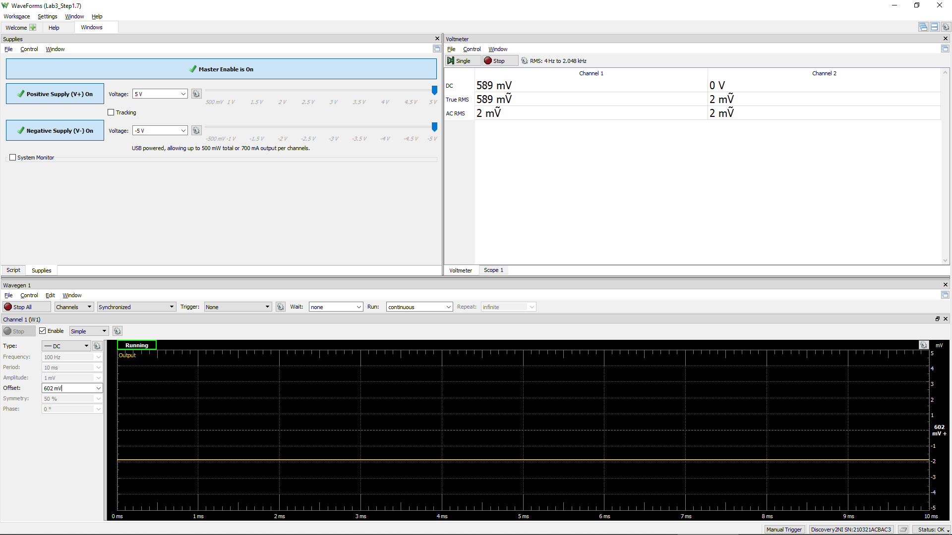
Measured Vo vs. Vsig of a Emitter Follower
Vsig (W1) | Vsig (CH1) | Vo (CH2)
Volts | Volts | Volts
-5 | -4.994 | -4.5872
-4.5 | -4.5068 | -4.6186
-4 | -4.006 | -4.515
-3.5 | -3.5082 | -4.1
-3 | -3.0048 | -3.614
-2.5 | -2.5036 | -3.1188
-2 | -2.005 | -2.6166
-1.5 | -1.503 | -2.1182
-1 | -1.0012 | -1.6184
-0.5 | -0.4992 | -1.1176
0 | 0.0008 | -0.618
0.5 | 0.505 | -0.116
1 | 1.007 | 0.384
1.5 | 1.5074 | 0.8838
2 | 2.0058 | 1.3846
2.5 | 2.5088 | 1.886
3 | 3.0098 | 2.386
3.5 | 3.5128 | 2.887
4 | 4.0068 | 3.3872
4.5 | 4.5118 | 3.8868
5 | 5.0098 | 4.385

Step 1.8
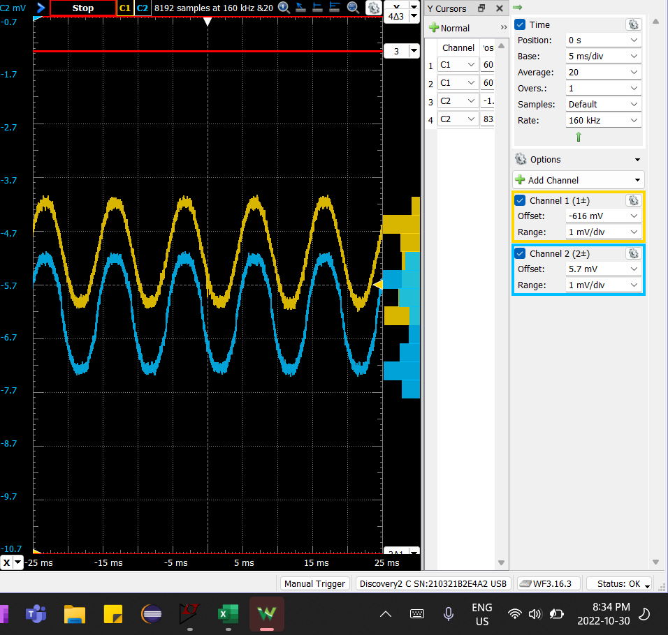
DC1 (V) = Vsig(Peak2Peak) | DC2 (V) = Vo(Peak2Peak) | Voltage Gain Av (dB)
1.99E-03 | 2.18E-03 | 0.8

Step 2.2
IREF and Io Relationship
IREF | Io | Vin | Vo | VEC(Q1) = VEB(Q1) | VEC(Q2) | Io (-ve values)
Amps | Amps | Volts | Volts | Volts | Volts | Amps
1.00E-04 | 1.04E-04 | 4.42E+00 | -3.96E+00 | 0.58 | 8.96 | -1.04E-04
1.10E-04 | 1.14E-04 | 4.42E+00 | -3.86E+00 | 0.58 | 8.86 | -1.14E-04
1.20E-04 | 1.25E-04 | 4.42E+00 | -3.75E+00 | 0.58 | 8.75 | -1.25E-04
1.30E-04 | 1.35E-04 | 4.41E+00 | -3.65E+00 | 0.59 | 8.65 | -1.35E-04
1.40E-04 | 1.45E-04 | 4.41E+00 | -3.55E+00 | 0.59 | 8.55 | -1.45E-04
1.50E-04 | 1.55E-04 | 4.41E+00 | -3.45E+00 | 0.59 | 8.45 | -1.55E-04
1.60E-04 | 1.66E-04 | 4.41E+00 | -3.34E+00 | 0.59 | 8.34 | -1.66E-04
1.70E-04 | 1.76E-04 | 4.40E+00 | -3.24E+00 | 0.60 | 8.24 | -1.76E-04
1.80E-04 | 1.86E-04 | 4.40E+00 | -3.14E+00 | 0.60 | 8.14 | -1.86E-04
1.90E-04 | 1.96E-04 | 4.40E+00 | -3.04E+00 | 0.60 | 8.04 | -1.96E-04
2.00E-04 | 2.07E-04 | 4.40E+00 | -2.93E+00 | 0.60 | 7.93 | -2.07E-04
2.10E-04 | 2.17E-04 | 4.40E+00 | -2.83E+00 | 0.60 | 7.83 | -2.17E-04
2.20E-04 | 2.27E-04 | 4.40E+00 | -2.73E+00 | 0.60 | 7.73 | -2.27E-04
2.30E-04 | 2.37E-04 | 4.39E+00 | -2.63E+00 | 0.61 | 7.63 | -2.37E-04
2.40E-04 | 2.47E-04 | 4.39E+00 | -2.53E+00 | 0.61 | 7.53 | -2.47E-04
2.50E-04 | 2.57E-04 | 4.39E+00 | -2.43E+00 | 0.61 | 7.43 | -2.57E-04
2.60E-04 | 2.68E-04 | 4.39E+00 | -2.32E+00 | 0.61 | 7.32 | -2.68E-04
2.70E-04 | 2.78E-04 | 4.39E+00 | -2.22E+00 | 0.61 | 7.22 | -2.78E-04
2.80E-04 | 2.88E-04 | 4.39E+00 | -2.12E+00 | 0.61 | 7.12 | -2.88E-04
2.90E-04 | 2.98E-04 | 4.39E+00 | -2.02E+00 | 0.61 | 7.02 | -2.98E-04
3.00E-04 | 3.08E-04 | 4.38E+00 | -1.92E+00 | 0.62 | 6.92 | -3.08E-04
3.10E-04 | 3.18E-04 | 4.38E+00 | -1.82E+00 | 0.62 | 6.82 | -3.18E-04
3.20E-04 | 3.28E-04 | 4.38E+00 | -1.72E+00 | 0.62 | 6.72 | -3.28E-04
3.30E-04 | 3.38E-04 | 4.38E+00 | -1.62E+00 | 0.62 | 6.62 | -3.38E-04
3.40E-04 | 3.48E-04 | 4.38E+00 | -1.52E+00 | 0.62 | 6.52 | -3.48E-04
3.50E-04 | 3.58E-04 | 4.38E+00 | -1.42E+00 | 0.62 | 6.42 | -3.58E-04
3.60E-04 | 3.68E-04 | 4.38E+00 | -1.32E+00 | 0.62 | 6.32 | -3.68E-04
3.70E-04 | 3.78E-04 | 4.38E+00 | -1.22E+00 | 0.62 | 6.22 | -3.78E-04
3.80E-04 | 3.88E-04 | 4.38E+00 | -1.12E+00 | 0.62 | 6.12 | -3.88E-04
3.90E-04 | 3.98E-04 | 4.37E+00 | -1.02E+00 | 0.63 | 6.02 | -3.98E-04
4.00E-04 | 4.08E-04 | 4.37E+00 | -9.20E-01 | 0.63 | 5.92 | -4.08E-04
4.10E-04 | 4.18E-04 | 4.37E+00 | -8.20E-01 | 0.63 | 5.82 | -4.18E-04
4.20E-04 | 4.28E-04 | 4.37E+00 | -7.21E-01 | 0.63 | 5.72 | -4.28E-04
4.30E-04 | 4.38E-04 | 4.37E+00 | -6.22E-01 | 0.63 | 5.62 | -4.38E-04
4.40E-04 | 4.48E-04 | 4.37E+00 | -5.23E-01 | 0.63 | 5.52 | -4.48E-04
4.50E-04 | 4.58E-04 | 4.37E+00 | -4.25E-01 | 0.63 | 5.42 | -4.58E-04
4.60E-04 | 4.67E-04 | 4.37E+00 | -3.26E-01 | 0.63 | 5.33 | -4.67E-04
4.70E-04 | 4.77E-04 | 4.37E+00 | -2.28E-01 | 0.63 | 5.23 | -4.77E-04
4.80E-04 | 4.87E-04 | 4.37E+00 | -1.29E-01 | 0.63 | 5.13 | -4.87E-04
4.90E-04 | 4.97E-04 | 4.37E+00 | -3.11E-02 | 0.63 | 5.03 | -4.97E-04
5.00E-04 | 5.07E-04 | 4.37E+00 | 6.69E-02 | 0.63 | 4.93 | -5.07E-04
5.10E-04 | 5.16E-04 | 4.37E+00 | 1.65E-01 | 0.63 | 4.84 | -5.16E-04
5.20E-04 | 5.26E-04 | 4.36E+00 | 2.63E-01 | 0.64 | 4.74 | -5.26E-04
5.30E-04 | 5.36E-04 | 4.36E+00 | 3.60E-01 | 0.64 | 4.64 | -5.36E-04
5.40E-04 | 5.46E-04 | 4.36E+00 | 4.58E-01 | 0.64 | 4.54 | -5.46E-04
5.50E-04 | 5.56E-04 | 4.36E+00 | 5.55E-01 | 0.64 | 4.44 | -5.56E-04
5.60E-04 | 5.65E-04 | 4.36E+00 | 6.53E-01 | 0.64 | 4.35 | -5.65E-04
5.70E-04 | 5.75E-04 | 4.36E+00 | 7.50E-01 | 0.64 | 4.25 | -5.75E-04
5.80E-04 | 5.85E-04 | 4.36E+00 | 8.47E-01 | 0.64 | 4.15 | -5.85E-04
5.90E-04 | 5.94E-04 | 4.36E+00 | 9.44E-01 | 0.64 | 4.06 | -5.94E-04
6.00E-04 | 6.04E-04 | 4.36E+00 | 1.04E+00 | 0.64 | 3.96 | -6.04E-04
6.10E-04 | 6.14E-04 | 4.36E+00 | 1.14E+00 | 0.64 | 3.86 | -6.14E-04
6.20E-04 | 6.23E-04 | 4.36E+00 | 1.23E+00 | 0.64 | 3.77 | -6.23E-04
6.30E-04 | 6.33E-04 | 4.36E+00 | 1.33E+00 | 0.64 | 3.67 | -6.33E-04
6.40E-04 | 6.43E-04 | 4.36E+00 | 1.43E+00 | 0.64 | 3.57 | -6.43E-04
6.50E-04 | 6.52E-04 | 4.36E+00 | 1.52E+00 | 0.64 | 3.48 | -6.52E-04
6.60E-04 | 6.62E-04 | 4.36E+00 | 1.62E+00 | 0.64 | 3.38 | -6.62E-04
6.70E-04 | 6.71E-04 | 4.36E+00 | 1.71E+00 | 0.64 | 3.29 | -6.71E-04
6.80E-04 | 6.81E-04 | 4.36E+00 | 1.81E+00 | 0.64 | 3.19 | -6.81E-04
6.90E-04 | 6.91E-04 | 4.35E+00 | 1.91E+00 | 0.65 | 3.09 | -6.91E-04
7.00E-04 | 7.00E-04 | 4.35E+00 | 2.00E+00 | 0.65 | 3.00 | -7.00E-04
7.10E-04 | 7.10E-04 | 4.35E+00 | 2.10E+00 | 0.65 | 2.90 | -7.10E-04
7.20E-04 | 7.19E-04 | 4.35E+00 | 2.19E+00 | 0.65 | 2.81 | -7.19E-04
7.30E-04 | 7.29E-04 | 4.35E+00 | 2.29E+00 | 0.65 | 2.71 | -7.29E-04
7.40E-04 | 7.38E-04 | 4.35E+00 | 2.38E+00 | 0.65 | 2.62 | -7.38E-04
7.50E-04 | 7.48E-04 | 4.35E+00 | 2.48E+00 | 0.65 | 2.52 | -7.48E-04
7.60E-04 | 7.57E-04 | 4.35E+00 | 2.57E+00 | 0.65 | 2.43 | -7.57E-04
7.70E-04 | 7.67E-04 | 4.35E+00 | 2.67E+00 | 0.65 | 2.33 | -7.67E-04
7.80E-04 | 7.76E-04 | 4.35E+00 | 2.76E+00 | 0.65 | 2.24 | -7.76E-04
7.90E-04 | 7.85E-04 | 4.35E+00 | 2.85E+00 | 0.65 | 2.15 | -7.85E-04
8.00E-04 | 7.95E-04 | 4.35E+00 | 2.95E+00 | 0.65 | 2.05 | -7.95E-04
8.10E-04 | 8.04E-04 | 4.35E+00 | 3.04E+00 | 0.65 | 1.96 | -8.04E-04
8.20E-04 | 8.14E-04 | 4.35E+00 | 3.14E+00 | 0.65 | 1.86 | -8.14E-04
8.30E-04 | 8.23E-04 | 4.35E+00 | 3.23E+00 | 0.65 | 1.77 | -8.23E-04
8.40E-04 | 8.32E-04 | 4.35E+00 | 3.32E+00 | 0.65 | 1.68 | -8.32E-04
8.50E-04 | 8.42E-04 | 4.35E+00 | 3.42E+00 | 0.65 | 1.58 | -8.42E-04
8.60E-04 | 8.51E-04 | 4.35E+00 | 3.51E+00 | 0.65 | 1.49 | -8.51E-04
8.70E-04 | 8.60E-04 | 4.35E+00 | 3.60E+00 | 0.65 | 1.40 | -8.60E-04
8.80E-04 | 8.70E-04 | 4.35E+00 | 3.70E+00 | 0.65 | 1.30 | -8.70E-04
8.90E-04 | 8.79E-04 | 4.35E+00 | 3.79E+00 | 0.65 | 1.21 | -8.79E-04
9.00E-04 | 8.88E-04 | 4.34E+00 | 3.88E+00 | 0.66 | 1.12 | -8.88E-04
9.10E-04 | 8.98E-04 | 4.34E+00 | 3.98E+00 | 0.66 | 1.02 | -8.98E-04
9.20E-04 | 9.07E-04 | 4.34E+00 | 4.07E+00 | 0.66 | 0.93 | -9.07E-04
9.30E-04 | 9.16E-04 | 4.34E+00 | 4.16E+00 | 0.66 | 0.84 | -9.16E-04
9.40E-04 | 9.25E-04 | 4.34E+00 | 4.25E+00 | 0.66 | 0.75 | -9.25E-04
9.50E-04 | 9.35E-04 | 4.34E+00 | 4.35E+00 | 0.66 | 0.65 | -9.35E-04
9.60E-04 | 9.44E-04 | 4.34E+00 | 4.44E+00 | 0.66 | 0.56 | -9.44E-04
9.70E-04 | 9.53E-04 | 4.34E+00 | 4.53E+00 | 0.66 | 0.47 | -9.53E-04
9.80E-04 | 9.62E-04 | 4.34E+00 | 4.62E+00 | 0.66 | 0.38 | -9.62E-04
9.90E-04 | 9.69E-04 | 4.34E+00 | 4.69E+00 | 0.66 | 0.31 | -9.69E-04
1.00E-03 | 9.75E-04 | 4.34E+00 | 4.75E+00 | 0.66 | 0.25 | -9.75E-04

Step 2.3
IREF | Io | Vin | Vo | VEC(Q1) = VEB(Q1) | VEC(Q2) | Io (-ve values)
Amps | Amps | Volts | Volts | Volts | Volts | Amps
8.50E-05 | 8.84E-05 | 4.43E+00 | -4.12E+00 | 0.57 | 9.12 | -8.84E-05
8.51E-05 | 8.85E-05 | 4.43E+00 | -4.12E+00 | 0.57 | 9.12 | -8.85E-05
IREF and Io Relationship
8.52E-05 | 8.86E-05 | 4.43E+00 | -4.11E+00 | 0.57 | 9.11 | -8.86E-05
8.53E-05 | 8.87E-05 | 4.43E+00 | -4.11E+00 | 0.57 | 9.11 | -8.87E-05
8.54E-05 | 8.88E-05 | 4.43E+00 | -4.11E+00 | 0.57 | 9.11 | -8.88E-05
8.55E-05 | 8.89E-05 | 4.43E+00 | -4.11E+00 | 0.57 | 9.11 | -8.89E-05
8.56E-05 | 8.90E-05 | 4.43E+00 | -4.11E+00 | 0.57 | 9.11 | -8.90E-05
8.57E-05 | 8.91E-05 | 4.43E+00 | -4.11E+00 | 0.57 | 9.11 | -8.91E-05
8.58E-05 | 8.92E-05 | 4.43E+00 | -4.11E+00 | 0.57 | 9.11 | -8.92E-05
8.59E-05 | 8.93E-05 | 4.43E+00 | -4.11E+00 | 0.57 | 9.11 | -8.93E-05
8.60E-05 | 8.94E-05 | 4.43E+00 | -4.11E+00 | 0.57 | 9.11 | -8.94E-05
8.61E-05 | 8.95E-05 | 4.43E+00 | -4.10E+00 | 0.57 | 9.10 | -8.95E-05
8.62E-05 | 8.96E-05 | 4.43E+00 | -4.10E+00 | 0.57 | 9.10 | -8.96E-05
8.63E-05 | 8.97E-05 | 4.43E+00 | -4.10E+00 | 0.57 | 9.10 | -8.97E-05
8.64E-05 | 8.98E-05 | 4.43E+00 | -4.10E+00 | 0.57 | 9.10 | -8.98E-05
8.65E-05 | 8.99E-05 | 4.43E+00 | -4.10E+00 | 0.57 | 9.10 | -8.99E-05
8.66E-05 | 9.00E-05 | 4.43E+00 | -4.10E+00 | 0.57 | 9.10 | -9.00E-05
8.67E-05 | 9.01E-05 | 4.43E+00 | -4.10E+00 | 0.57 | 9.10 | -9.01E-05
8.68E-05 | 9.02E-05 | 4.43E+00 | -4.10E+00 | 0.57 | 9.10 | -9.02E-05
8.69E-05 | 9.03E-05 | 4.43E+00 | -4.10E+00 | 0.57 | 9.10 | -9.03E-05
8.70E-05 | 9.04E-05 | 4.43E+00 | -4.10E+00 | 0.57 | 9.10 | -9.04E-05
8.71E-05 | 9.06E-05 | 4.43E+00 | -4.09E+00 | 0.57 | 9.09 | -9.06E-05
8.72E-05 | 9.07E-05 | 4.43E+00 | -4.09E+00 | 0.57 | 9.09 | -9.07E-05
8.73E-05 | 9.08E-05 | 4.43E+00 | -4.09E+00 | 0.57 | 9.09 | -9.08E-05
8.74E-05 | 9.09E-05 | 4.43E+00 | -4.09E+00 | 0.57 | 9.09 | -9.09E-05
8.75E-05 | 9.10E-05 | 4.43E+00 | -4.09E+00 | 0.57 | 9.09 | -9.10E-05
8.76E-05 | 9.11E-05 | 4.43E+00 | -4.09E+00 | 0.57 | 9.09 | -9.11E-05
8.77E-05 | 9.12E-05 | 4.43E+00 | -4.09E+00 | 0.57 | 9.09 | -9.12E-05
8.78E-05 | 9.13E-05 | 4.43E+00 | -4.09E+00 | 0.57 | 9.09 | -9.13E-05
8.79E-05 | 9.14E-05 | 4.43E+00 | -4.09E+00 | 0.57 | 9.09 | -9.14E-05
8.80E-05 | 9.15E-05 | 4.43E+00 | -4.09E+00 | 0.57 | 9.09 | -9.15E-05
8.81E-05 | 9.16E-05 | 4.43E+00 | -4.08E+00 | 0.57 | 9.08 | -9.16E-05
8.82E-05 | 9.17E-05 | 4.43E+00 | -4.08E+00 | 0.57 | 9.08 | -9.17E-05
8.83E-05 | 9.18E-05 | 4.43E+00 | -4.08E+00 | 0.57 | 9.08 | -9.18E-05
8.84E-05 | 9.19E-05 | 4.43E+00 | -4.08E+00 | 0.57 | 9.08 | -9.19E-05
8.85E-05 | 9.20E-05 | 4.43E+00 | -4.08E+00 | 0.57 | 9.08 | -9.20E-05
8.86E-05 | 9.21E-05 | 4.43E+00 | -4.08E+00 | 0.57 | 9.08 | -9.21E-05
8.87E-05 | 9.22E-05 | 4.43E+00 | -4.08E+00 | 0.57 | 9.08 | -9.22E-05
8.88E-05 | 9.23E-05 | 4.43E+00 | -4.08E+00 | 0.57 | 9.08 | -9.23E-05
8.89E-05 | 9.24E-05 | 4.43E+00 | -4.08E+00 | 0.57 | 9.08 | -9.24E-05
8.90E-05 | 9.25E-05 | 4.43E+00 | -4.07E+00 | 0.57 | 9.07 | -9.25E-05
8.91E-05 | 9.26E-05 | 4.43E+00 | -4.07E+00 | 0.57 | 9.07 | -9.26E-05
8.92E-05 | 9.27E-05 | 4.43E+00 | -4.07E+00 | 0.57 | 9.07 | -9.27E-05
8.93E-05 | 9.28E-05 | 4.43E+00 | -4.07E+00 | 0.57 | 9.07 | -9.28E-05
8.94E-05 | 9.29E-05 | 4.43E+00 | -4.07E+00 | 0.57 | 9.07 | -9.29E-05
8.95E-05 | 9.30E-05 | 4.43E+00 | -4.07E+00 | 0.57 | 9.07 | -9.30E-05
8.96E-05 | 9.31E-05 | 4.43E+00 | -4.07E+00 | 0.57 | 9.07 | -9.31E-05
8.97E-05 | 9.32E-05 | 4.43E+00 | -4.07E+00 | 0.57 | 9.07 | -9.32E-05
8.98E-05 | 9.33E-05 | 4.43E+00 | -4.07E+00 | 0.57 | 9.07 | -9.33E-05
8.99E-05 | 9.35E-05 | 4.43E+00 | -4.07E+00 | 0.57 | 9.07 | -9.35E-05
9.00E-05 | 9.36E-05 | 4.43E+00 | -4.06E+00 | 0.57 | 9.06 | -9.36E-05
9.01E-05 | 9.37E-05 | 4.43E+00 | -4.06E+00 | 0.57 | 9.06 | -9.37E-05
9.02E-05 | 9.38E-05 | 4.43E+00 | -4.06E+00 | 0.57 | 9.06 | -9.38E-05
9.03E-05 | 9.39E-05 | 4.43E+00 | -4.06E+00 | 0.57 | 9.06 | -9.39E-05
9.04E-05 | 9.40E-05 | 4.43E+00 | -4.06E+00 | 0.57 | 9.06 | -9.40E-05
9.05E-05 | 9.41E-05 | 4.43E+00 | -4.06E+00 | 0.57 | 9.06 | -9.41E-05
9.06E-05 | 9.42E-05 | 4.43E+00 | -4.06E+00 | 0.57 | 9.06 | -9.42E-05
9.07E-05 | 9.43E-05 | 4.43E+00 | -4.06E+00 | 0.57 | 9.06 | -9.43E-05
9.08E-05 | 9.44E-05 | 4.43E+00 | -4.06E+00 | 0.57 | 9.06 | -9.44E-05
9.09E-05 | 9.45E-05 | 4.43E+00 | -4.06E+00 | 0.57 | 9.06 | -9.45E-05
9.10E-05 | 9.46E-05 | 4.43E+00 | -4.05E+00 | 0.57 | 9.05 | -9.46E-05
9.11E-05 | 9.47E-05 | 4.43E+00 | -4.05E+00 | 0.57 | 9.05 | -9.47E-05
9.12E-05 | 9.48E-05 | 4.43E+00 | -4.05E+00 | 0.57 | 9.05 | -9.48E-05
9.13E-05 | 9.49E-05 | 4.43E+00 | -4.05E+00 | 0.57 | 9.05 | -9.49E-05
9.14E-05 | 9.50E-05 | 4.43E+00 | -4.05E+00 | 0.57 | 9.05 | -9.50E-05
9.15E-05 | 9.51E-05 | 4.43E+00 | -4.05E+00 | 0.57 | 9.05 | -9.51E-05
9.16E-05 | 9.52E-05 | 4.43E+00 | -4.05E+00 | 0.57 | 9.05 | -9.52E-05
9.17E-05 | 9.53E-05 | 4.43E+00 | -4.05E+00 | 0.57 | 9.05 | -9.53E-05
9.18E-05 | 9.54E-05 | 4.43E+00 | -4.05E+00 | 0.57 | 9.05 | -9.54E-05
9.19E-05 | 9.55E-05 | 4.43E+00 | -4.04E+00 | 0.57 | 9.04 | -9.55E-05
9.20E-05 | 9.56E-05 | 4.43E+00 | -4.04E+00 | 0.57 | 9.04 | -9.56E-05
9.21E-05 | 9.57E-05 | 4.43E+00 | -4.04E+00 | 0.57 | 9.04 | -9.57E-05
9.22E-05 | 9.58E-05 | 4.43E+00 | -4.04E+00 | 0.57 | 9.04 | -9.58E-05
9.23E-05 | 9.59E-05 | 4.43E+00 | -4.04E+00 | 0.57 | 9.04 | -9.59E-05
9.24E-05 | 9.60E-05 | 4.43E+00 | -4.04E+00 | 0.57 | 9.04 | -9.60E-05
9.25E-05 | 9.61E-05 | 4.43E+00 | -4.04E+00 | 0.57 | 9.04 | -9.61E-05
9.26E-05 | 9.62E-05 | 4.43E+00 | -4.04E+00 | 0.57 | 9.04 | -9.62E-05
9.27E-05 | 9.63E-05 | 4.43E+00 | -4.04E+00 | 0.57 | 9.04 | -9.63E-05
9.28E-05 | 9.65E-05 | 4.43E+00 | -4.04E+00 | 0.57 | 9.04 | -9.65E-05
9.29E-05 | 9.66E-05 | 4.43E+00 | -4.03E+00 | 0.57 | 9.03 | -9.66E-05
9.30E-05 | 9.67E-05 | 4.43E+00 | -4.03E+00 | 0.57 | 9.03 | -9.67E-05
9.31E-05 | 9.68E-05 | 4.43E+00 | -4.03E+00 | 0.57 | 9.03 | -9.68E-05
9.32E-05 | 9.69E-05 | 4.43E+00 | -4.03E+00 | 0.57 | 9.03 | -9.69E-05
9.33E-05 | 9.70E-05 | 4.43E+00 | -4.03E+00 | 0.57 | 9.03 | -9.70E-05
9.34E-05 | 9.71E-05 | 4.43E+00 | -4.03E+00 | 0.57 | 9.03 | -9.71E-05
9.35E-05 | 9.72E-05 | 4.43E+00 | -4.03E+00 | 0.57 | 9.03 | -9.72E-05
9.36E-05 | 9.73E-05 | 4.43E+00 | -4.03E+00 | 0.57 | 9.03 | -9.73E-05
9.37E-05 | 9.74E-05 | 4.43E+00 | -4.03E+00 | 0.57 | 9.03 | -9.74E-05
9.38E-05 | 9.75E-05 | 4.43E+00 | -4.03E+00 | 0.57 | 9.03 | -9.75E-05
9.39E-05 | 9.76E-05 | 4.43E+00 | -4.02E+00 | 0.57 | 9.02 | -9.76E-05
9.40E-05 | 9.77E-05 | 4.43E+00 | -4.02E+00 | 0.57 | 9.02 | -9.77E-05
9.41E-05 | 9.78E-05 | 4.43E+00 | -4.02E+00 | 0.57 | 9.02 | -9.78E-05
9.42E-05 | 9.79E-05 | 4.43E+00 | -4.02E+00 | 0.57 | 9.02 | -9.79E-05
9.43E-05 | 9.80E-05 | 4.43E+00 | -4.02E+00 | 0.57 | 9.02 | -9.80E-05
9.44E-05 | 9.81E-05 | 4.43E+00 | -4.02E+00 | 0.57 | 9.02 | -9.81E-05
9.45E-05 | 9.82E-05 | 4.43E+00 | -4.02E+00 | 0.57 | 9.02 | -9.82E-05
9.46E-05 | 9.83E-05 | 4.43E+00 | -4.02E+00 | 0.57 | 9.02 | -9.83E-05
9.47E-05 | 9.84E-05 | 4.43E+00 | -4.02E+00 | 0.57 | 9.02 | -9.84E-05
9.48E-05 | 9.85E-05 | 4.43E+00 | -4.01E+00 | 0.57 | 9.01 | -9.85E-05
9.49E-05 | 9.86E-05 | 4.43E+00 | -4.01E+00 | 0.57 | 9.01 | -9.86E-05
9.50E-05 | 9.87E-05 | 4.42E+00 | -4.01E+00 | 0.58 | 9.01 | -9.87E-05

Step 3.2
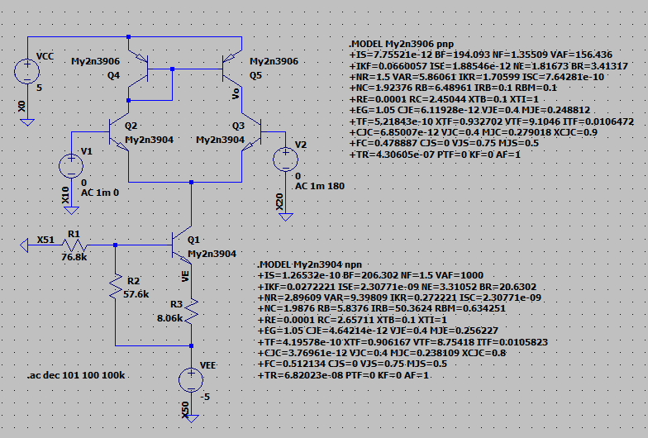
Frequency | vm(vo) | ph(v(vo)) | Ad = 20*log(|Vo|/2mV) | GBW | GBW in Step 3.6, Lab 2 |  | V(vo)
Hz | Volts | deg | dB | Hz | Hz | PartSim Screenshots of Schematics and DC Bias |  | -5.77E-02
1.00E+02 | 6.38E+00 | -5.18E-01 | 70.07 | 3.57E+07 | 7.95E+07 |  |  | -5.90E-02
1.02E+02 | 6.38E+00 | -5.30E-01 | 70.07 | 3.57E+07 |  |  |  | -6.04E-02
1.05E+02 | 6.38E+00 | -5.42E-01 | 70.07 | 3.57E+07 |  |  |  | -6.18E-02
1.07E+02 | 6.38E+00 | -5.55E-01 | 70.07 | 3.57E+07 |  |  |  | -6.32E-02
1.10E+02 | 6.38E+00 | -5.68E-01 | 70.07 | 3.57E+07 |  |  |  | -6.46E-02
1.12E+02 | 6.38E+00 | -5.81E-01 | 70.07 | 3.57E+07 |  |  |  | -6.61E-02
1.15E+02 | 6.38E+00 | -5.94E-01 | 70.07 | 3.57E+07 |  |  |  | -6.76E-02
1.17E+02 | 6.38E+00 | -6.08E-01 | 70.07 | 3.57E+07 |  |  |  | -6.92E-02
1.20E+02 | 6.38E+00 | -6.22E-01 | 70.07 | 3.57E+07 |  |  |  | -7.08E-02
1.23E+02 | 6.38E+00 | -6.36E-01 | 70.07 | 3.57E+07 |  |  |  | -7.24E-02
1.26E+02 | 6.38E+00 | -6.51E-01 | 70.07 | 3.57E+07 |  |  |  | -7.41E-02
1.29E+02 | 6.38E+00 | -6.66E-01 | 70.07 | 3.57E+07 |  |  |  | -7.58E-02
1.31E+02 | 6.38E+00 | -6.81E-01 | 70.07 | 3.57E+07 |  |  |  | -7.76E-02
1.34E+02 | 6.38E+00 | -6.97E-01 | 70.07 | 3.57E+07 |  |  |  | -7.93E-02
1.38E+02 | 6.38E+00 | -7.13E-01 | 70.07 | 3.57E+07 |  |  |  | -8.12E-02
1.41E+02 | 6.38E+00 | -7.29E-01 | 70.07 | 3.57E+07 |  |  |  | -8.30E-02
1.44E+02 | 6.38E+00 | -7.46E-01 | 70.07 | 3.57E+07 |  |  |  | -8.50E-02
1.47E+02 | 6.38E+00 | -7.63E-01 | 70.07 | 3.57E+07 |  |  |  | -8.69E-02
1.51E+02 | 6.38E+00 | -7.81E-01 | 70.07 | 3.57E+07 |  |  |  | -8.89E-02
1.54E+02 | 6.38E+00 | -7.99E-01 | 70.07 | 3.57E+07 |  |  |  | -9.10E-02
1.58E+02 | 6.38E+00 | -8.17E-01 | 70.07 | 3.57E+07 |  |  |  | -9.31E-02
1.61E+02 | 6.38E+00 | -8.36E-01 | 70.07 | 3.57E+07 |  |  |  | -9.52E-02
1.65E+02 | 6.38E+00 | -8.55E-01 | 70.07 | 3.57E+07 |  |  |  | -9.74E-02
1.69E+02 | 6.38E+00 | -8.75E-01 | 70.07 | 3.57E+07 |  |  |  | -9.97E-02
1.73E+02 | 6.38E+00 | -8.95E-01 | 70.07 | 3.57E+07 |  |  |  | -1.02E-01
1.77E+02 | 6.38E+00 | -9.16E-01 | 70.07 | 3.57E+07 |  |  |  | -1.04E-01
1.81E+02 | 6.38E+00 | -9.37E-01 | 70.07 | 3.57E+07 |  | PartSim Screenshot of AC Frequency Response Vo |  | -1.07E-01
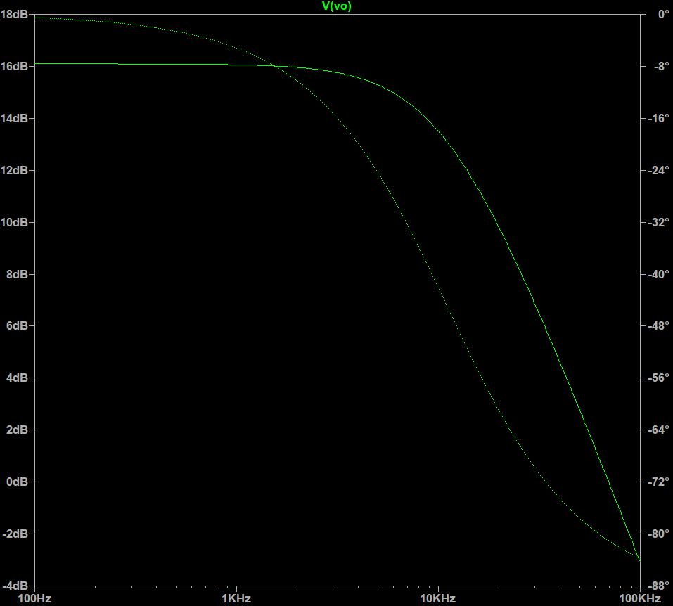
1.85E+02 | 6.38E+00 | -9.59E-01 | 70.07 | 3.57E+07 |  |  |  | -1.09E-01
1.89E+02 | 6.38E+00 | -9.81E-01 | 70.07 | 3.57E+07 |  |  |  | -1.12E-01
1.94E+02 | 6.38E+00 | -1.00E+00 | 70.07 | 3.57E+07 |  |  |  | -1.14E-01
1.98E+02 | 6.38E+00 | -1.03E+00 | 70.07 | 3.57E+07 |  |  |  | -1.17E-01
2.03E+02 | 6.38E+00 | -1.05E+00 | 70.07 | 3.57E+07 |  |  |  | -1.20E-01
2.07E+02 | 6.38E+00 | -1.07E+00 | 70.07 | 3.57E+07 |  |  |  | -1.22E-01
2.12E+02 | 6.38E+00 | -1.10E+00 | 70.07 | 3.57E+07 |  |  |  | -1.25E-01
2.17E+02 | 6.38E+00 | -1.12E+00 | 70.07 | 3.57E+07 |  |  |  | -1.28E-01
2.22E+02 | 6.38E+00 | -1.15E+00 | 70.07 | 3.57E+07 |  |  |  | -1.31E-01
2.27E+02 | 6.38E+00 | -1.18E+00 | 70.07 | 3.57E+07 |  |  |  | -1.34E-01
2.32E+02 | 6.38E+00 | -1.20E+00 | 70.07 | 3.57E+07 |  |  |  | -1.37E-01
2.38E+02 | 6.38E+00 | -1.23E+00 | 70.07 | 3.57E+07 |  |  |  | -1.40E-01
2.43E+02 | 6.38E+00 | -1.26E+00 | 70.07 | 3.57E+07 |  |  |  | -1.43E-01
2.49E+02 | 6.38E+00 | -1.29E+00 | 70.07 | 3.57E+07 |  |  |  | -1.47E-01
2.55E+02 | 6.38E+00 | -1.32E+00 | 70.07 | 3.57E+07 |  |  |  | -1.50E-01
2.61E+02 | 6.38E+00 | -1.35E+00 | 70.07 | 3.57E+07 |  |  |  | -1.54E-01
2.67E+02 | 6.37E+00 | -1.38E+00 | 70.07 | 3.57E+07 |  |  |  | -1.57E-01
2.73E+02 | 6.37E+00 | -1.41E+00 | 70.07 | 3.57E+07 |  |  |  | -1.61E-01
2.79E+02 | 6.37E+00 | -1.44E+00 | 70.07 | 3.57E+07 |  |  |  | -1.64E-01
2.85E+02 | 6.37E+00 | -1.48E+00 | 70.07 | 3.57E+07 |  |  |  | -1.68E-01
2.92E+02 | 6.37E+00 | -1.51E+00 | 70.07 | 3.57E+07 |  |  |  | -1.72E-01
2.99E+02 | 6.37E+00 | -1.55E+00 | 70.07 | 3.57E+07 |  |  |  | -1.76E-01
3.06E+02 | 6.37E+00 | -1.58E+00 | 70.07 | 3.57E+07 |  |  |  | -1.80E-01
3.13E+02 | 6.37E+00 | -1.62E+00 | 70.07 | 3.57E+07 |  |  |  | -1.84E-01
3.20E+02 | 6.37E+00 | -1.66E+00 | 70.07 | 3.57E+07 |  |  |  | -1.89E-01
3.27E+02 | 6.37E+00 | -1.69E+00 | 70.07 | 3.57E+07 |  |  |  | -1.93E-01
3.35E+02 | 6.37E+00 | -1.73E+00 | 70.07 | 3.57E+07 |  |  |  | -1.97E-01
3.42E+02 | 6.37E+00 | -1.77E+00 | 70.07 | 3.57E+07 |  |  |  | -2.02E-01
3.50E+02 | 6.37E+00 | -1.81E+00 | 70.07 | 3.57E+07 |  |  |  | -2.07E-01
3.58E+02 | 6.37E+00 | -1.86E+00 | 70.06 | 3.57E+07 |  |  |  | -2.11E-01
3.67E+02 | 6.37E+00 | -1.90E+00 | 70.06 | 3.57E+07 |  |  |  | -2.16E-01
3.75E+02 | 6.37E+00 | -1.94E+00 | 70.06 | 3.57E+07 |  |  |  | -2.21E-01
3.84E+02 | 6.37E+00 | -1.99E+00 | 70.06 | 3.57E+07 |  |  |  | -2.26E-01
3.93E+02 | 6.37E+00 | -2.03E+00 | 70.06 | 3.57E+07 |  |  |  | -2.31E-01
4.02E+02 | 6.37E+00 | -2.08E+00 | 70.06 | 3.57E+07 |  |  |  | -2.37E-01
4.11E+02 | 6.37E+00 | -2.13E+00 | 70.06 | 3.57E+07 |  |  |  | -2.42E-01
4.20E+02 | 6.37E+00 | -2.18E+00 | 70.06 | 3.57E+07 |  |  |  | -2.48E-01
4.30E+02 | 6.37E+00 | -2.23E+00 | 70.06 | 3.57E+07 |  |  |  | -2.53E-01
4.40E+02 | 6.37E+00 | -2.28E+00 | 70.06 | 3.57E+07 |  |  |  | -2.59E-01
4.50E+02 | 6.37E+00 | -2.33E+00 | 70.06 | 3.57E+07 |  |  |  | -2.65E-01
4.61E+02 | 6.37E+00 | -2.39E+00 | 70.06 | 3.57E+07 |  |  |  | -2.71E-01
4.71E+02 | 6.37E+00 | -2.44E+00 | 70.06 | 3.57E+07 |  |  |  | -2.78E-01
4.82E+02 | 6.37E+00 | -2.50E+00 | 70.06 | 3.57E+07 |  |  |  | -2.84E-01
4.93E+02 | 6.37E+00 | -2.55E+00 | 70.06 | 3.56E+07 |  |  |  | -2.90E-01
5.05E+02 | 6.37E+00 | -2.61E+00 | 70.06 | 3.56E+07 |  |  |  | -2.97E-01
5.16E+02 | 6.36E+00 | -2.67E+00 | 70.06 | 3.56E+07 |  |  |  | -3.04E-01
5.28E+02 | 6.36E+00 | -2.73E+00 | 70.05 | 3.56E+07 |  |  |  | -3.11E-01
5.40E+02 | 6.36E+00 | -2.80E+00 | 70.05 | 3.56E+07 |  |  |  | -3.18E-01
5.53E+02 | 6.36E+00 | -2.86E+00 | 70.05 | 3.56E+07 |  |  |  | -3.25E-01
5.66E+02 | 6.36E+00 | -2.93E+00 | 70.05 | 3.56E+07 |  |  |  | -3.33E-01
5.79E+02 | 6.36E+00 | -2.99E+00 | 70.05 | 3.56E+07 |  |  |  | -3.40E-01
5.92E+02 | 6.36E+00 | -3.06E+00 | 70.05 | 3.56E+07 |  |  |  | -3.48E-01
6.06E+02 | 6.36E+00 | -3.13E+00 | 70.05 | 3.56E+07 |  |  |  | -3.56E-01
6.20E+02 | 6.36E+00 | -3.21E+00 | 70.05 | 3.56E+07 |  |  |  | -3.64E-01
6.34E+02 | 6.36E+00 | -3.28E+00 | 70.05 | 3.56E+07 |  |  |  | -3.73E-01
6.48E+02 | 6.36E+00 | -3.36E+00 | 70.04 | 3.56E+07 |  |  |  | -3.81E-01
6.63E+02 | 6.36E+00 | -3.43E+00 | 70.04 | 3.56E+07 |  |  |  | -3.90E-01
6.79E+02 | 6.35E+00 | -3.51E+00 | 70.04 | 3.56E+07 |  |  |  | -3.99E-01
6.94E+02 | 6.35E+00 | -3.59E+00 | 70.04 | 3.56E+07 |  |  |  | -4.08E-01
7.10E+02 | 6.35E+00 | -3.68E+00 | 70.04 | 3.56E+07 |  |  |  | -4.17E-01
7.27E+02 | 6.35E+00 | -3.76E+00 | 70.04 | 3.56E+07 |  |  |  | -4.27E-01
7.44E+02 | 6.35E+00 | -3.85E+00 | 70.03 | 3.56E+07 |  |  |  | -4.37E-01
7.61E+02 | 6.35E+00 | -3.93E+00 | 70.03 | 3.56E+07 |  |  |  | -4.47E-01
7.78E+02 | 6.35E+00 | -4.02E+00 | 70.03 | 3.55E+07 |  |  |  | -4.57E-01
7.96E+02 | 6.35E+00 | -4.12E+00 | 70.03 | 3.55E+07 |  |  |  | -4.67E-01
8.15E+02 | 6.34E+00 | -4.21E+00 | 70.03 | 3.55E+07 |  |  |  | -4.78E-01
8.33E+02 | 6.34E+00 | -4.31E+00 | 70.02 | 3.55E+07 |  |  |  | -4.89E-01
8.52E+02 | 6.34E+00 | -4.41E+00 | 70.02 | 3.55E+07 |  |  |  | -5.00E-01
8.72E+02 | 6.34E+00 | -4.51E+00 | 70.02 | 3.55E+07 |  |  |  | -5.11E-01
8.92E+02 | 6.34E+00 | -4.61E+00 | 70.02 | 3.55E+07 |  |  |  | -5.23E-01
9.13E+02 | 6.34E+00 | -4.72E+00 | 70.02 | 3.55E+07 |  |  |  | -5.35E-01
9.34E+02 | 6.33E+00 | -4.83E+00 | 70.01 | 3.55E+07 |  |  |  | -5.47E-01
9.55E+02 | 6.33E+00 | -4.94E+00 | 70.01 | 3.55E+07 |  |  |  | -5.59E-01
9.77E+02 | 6.33E+00 | -5.05E+00 | 70.01 | 3.54E+07 |  |  |  | -5.72E-01
1.00E+03 | 6.33E+00 | -5.17E+00 | 70.00 | 3.54E+07 |  |  |  | -5.85E-01
1.02E+03 | 6.32E+00 | -5.29E+00 | 70.00 | 3.54E+07 |  |  |  | -5.98E-01
1.05E+03 | 6.32E+00 | -5.41E+00 | 70.00 | 3.54E+07 |  |  |  | -6.12E-01
1.07E+03 | 6.32E+00 | -5.53E+00 | 69.99 | 3.54E+07 |  |  |  | -6.26E-01
1.10E+03 | 6.32E+00 | -5.66E+00 | 69.99 | 3.54E+07 |  |  |  | -6.40E-01
1.12E+03 | 6.31E+00 | -5.79E+00 | 69.99 | 3.54E+07 |  |  |  | -6.54E-01
1.15E+03 | 6.31E+00 | -5.92E+00 | 69.98 | 3.53E+07 |  |  |  | -6.69E-01
1.17E+03 | 6.31E+00 | -6.05E+00 | 69.98 | 3.53E+07 |  |  |  | -6.84E-01
1.20E+03 | 6.30E+00 | -6.19E+00 | 69.97 | 3.53E+07 |  |  |  | -6.99E-01
1.23E+03 | 6.30E+00 | -6.33E+00 | 69.97 | 3.53E+07 |  |  |  | -7.15E-01
1.26E+03 | 6.30E+00 | -6.48E+00 | 69.96 | 3.53E+07 |  |  |  | -7.31E-01
1.29E+03 | 6.29E+00 | -6.63E+00 | 69.96 | 3.52E+07 |  |  |  | -7.48E-01
1.31E+03 | 6.29E+00 | -6.78E+00 | 69.95 | 3.52E+07 |  |  |  | -7.64E-01
1.34E+03 | 6.29E+00 | -6.93E+00 | 69.95 | 3.52E+07 |  |  |  | -7.82E-01
1.38E+03 | 6.28E+00 | -7.09E+00 | 69.94 | 3.52E+07 |  |  |  | -7.99E-01
1.41E+03 | 6.28E+00 | -7.25E+00 | 69.93 | 3.52E+07 |  |  |  | -8.17E-01
1.44E+03 | 6.27E+00 | -7.42E+00 | 69.93 | 3.51E+07 |  |  |  | -8.35E-01
1.47E+03 | 6.27E+00 | -7.59E+00 | 69.92 | 3.51E+07 |  |  |  | -8.54E-01
1.51E+03 | 6.26E+00 | -7.76E+00 | 69.91 | 3.51E+07 |  |  |  | -8.72E-01
1.54E+03 | 6.26E+00 | -7.94E+00 | 69.91 | 3.50E+07 |  |  |  | -8.92E-01
1.58E+03 | 6.25E+00 | -8.12E+00 | 69.90 | 3.50E+07 |  |  |  | -9.12E-01
1.61E+03 | 6.25E+00 | -8.30E+00 | 69.89 | 3.50E+07 |  |  |  | -9.32E-01
1.65E+03 | 6.24E+00 | -8.49E+00 | 69.88 | 3.49E+07 |  |  |  | -9.52E-01
1.69E+03 | 6.23E+00 | -8.68E+00 | 69.87 | 3.49E+07 |  |  |  | -9.73E-01
1.73E+03 | 6.23E+00 | -8.88E+00 | 69.86 | 3.49E+07 |  |  |  | -9.94E-01
1.77E+03 | 6.22E+00 | -9.08E+00 | 69.85 | 3.48E+07 |  |  |  | -1.02E+00
1.81E+03 | 6.21E+00 | -9.29E+00 | 69.84 | 3.48E+07 |  |  |  | -1.04E+00
1.85E+03 | 6.20E+00 | -9.50E+00 | 69.83 | 3.47E+07 |  |  |  | -1.06E+00
1.89E+03 | 6.20E+00 | -9.71E+00 | 69.82 | 3.47E+07 |  |  |  | -1.08E+00
1.94E+03 | 6.19E+00 | -9.93E+00 | 69.81 | 3.47E+07 |  |  |  | -1.11E+00
1.98E+03 | 6.18E+00 | -1.02E+01 | 69.80 | 3.46E+07 |  |  |  | -1.13E+00
2.03E+03 | 6.17E+00 | -1.04E+01 | 69.79 | 3.46E+07 |  |  |  | -1.16E+00
2.07E+03 | 6.16E+00 | -1.06E+01 | 69.77 | 3.45E+07 |  |  |  | -1.18E+00
2.12E+03 | 6.15E+00 | -1.09E+01 | 69.76 | 3.45E+07 |  |  |  | -1.21E+00
2.17E+03 | 6.14E+00 | -1.11E+01 | 69.75 | 3.44E+07 |  |  |  | -1.23E+00
2.22E+03 | 6.13E+00 | -1.14E+01 | 69.73 | 3.43E+07 |  |  |  | -1.26E+00
2.27E+03 | 6.12E+00 | -1.16E+01 | 69.71 | 3.43E+07 |  |  |  | -1.28E+00
2.32E+03 | 6.11E+00 | -1.19E+01 | 69.70 | 3.42E+07 |  |  |  | -1.31E+00
2.38E+03 | 6.10E+00 | -1.21E+01 | 69.68 | 3.41E+07 |  |  |  | -1.34E+00
2.43E+03 | 6.08E+00 | -1.24E+01 | 69.66 | 3.41E+07 |  |  |  | -1.37E+00
2.49E+03 | 6.07E+00 | -1.27E+01 | 69.64 | 3.40E+07 |  |  |  | -1.39E+00
2.55E+03 | 6.06E+00 | -1.30E+01 | 69.63 | 3.39E+07 |  |  |  | -1.42E+00
2.61E+03 | 6.04E+00 | -1.33E+01 | 69.60 | 3.38E+07 |  |  |  | -1.45E+00
2.67E+03 | 6.03E+00 | -1.35E+01 | 69.58 | 3.38E+07 |  |  |  | -1.48E+00
2.73E+03 | 6.01E+00 | -1.39E+01 | 69.56 | 3.37E+07 |  |  |  | -1.51E+00
2.79E+03 | 6.00E+00 | -1.42E+01 | 69.54 | 3.36E+07 |  |  |  | -1.54E+00
2.85E+03 | 5.98E+00 | -1.45E+01 | 69.51 | 3.35E+07 |  |  |  | -1.57E+00
2.92E+03 | 5.96E+00 | -1.48E+01 | 69.49 | 3.34E+07 |  |  |  | -1.61E+00
2.99E+03 | 5.95E+00 | -1.51E+01 | 69.46 | 3.33E+07 |  |  |  | -1.64E+00
3.06E+03 | 5.93E+00 | -1.54E+01 | 69.44 | 3.32E+07 |  |  |  | -1.67E+00
3.13E+03 | 5.91E+00 | -1.58E+01 | 69.41 | 3.31E+07 |  |  |  | -1.70E+00
3.20E+03 | 5.89E+00 | -1.61E+01 | 69.38 | 3.30E+07 |  |  |  | -1.74E+00
3.27E+03 | 5.87E+00 | -1.65E+01 | 69.35 | 3.28E+07 |  |  |  | -1.77E+00
3.35E+03 | 5.84E+00 | -1.68E+01 | 69.31 | 3.27E+07 |  |  |  | -1.80E+00
3.42E+03 | 5.82E+00 | -1.72E+01 | 69.28 | 3.26E+07 |  |  |  | -1.84E+00
3.50E+03 | 5.80E+00 | -1.76E+01 | 69.24 | 3.25E+07 |  |  |  | -1.87E+00
3.58E+03 | 5.77E+00 | -1.80E+01 | 69.21 | 3.23E+07 |  |  |  | -1.91E+00
3.67E+03 | 5.75E+00 | -1.83E+01 | 69.17 | 3.22E+07 |  |  |  | -1.94E+00
3.75E+03 | 5.72E+00 | -1.87E+01 | 69.13 | 3.20E+07 |  |  |  | -1.98E+00
3.84E+03 | 5.69E+00 | -1.91E+01 | 69.09 | 3.19E+07 |  |  |  | -2.01E+00
3.93E+03 | 5.66E+00 | -1.95E+01 | 69.04 | 3.17E+07 |  |  |  | -2.05E+00
4.02E+03 | 5.64E+00 | -2.00E+01 | 69.00 | 3.16E+07 |  |  |  | -2.08E+00
4.11E+03 | 5.60E+00 | -2.04E+01 | 68.95 | 3.14E+07 |  |  |  | -2.12E+00
4.20E+03 | 5.57E+00 | -2.08E+01 | 68.90 | 3.12E+07 |  |  |  | -2.16E+00
4.30E+03 | 5.54E+00 | -2.13E+01 | 68.85 | 3.10E+07 |  |  |  | -2.19E+00
4.40E+03 | 5.51E+00 | -2.17E+01 | 68.80 | 3.08E+07 |  |  |  | -2.23E+00
4.50E+03 | 5.47E+00 | -2.22E+01 | 68.74 | 3.06E+07 |  |  |  | -2.26E+00
4.61E+03 | 5.44E+00 | -2.26E+01 | 68.68 | 3.04E+07 |  |  |  | -2.30E+00
4.71E+03 | 5.40E+00 | -2.31E+01 | 68.62 | 3.02E+07 |  |  |  | -2.34E+00
4.82E+03 | 5.36E+00 | -2.36E+01 | 68.56 | 3.00E+07 |  |  |  | -2.37E+00
4.93E+03 | 5.32E+00 | -2.40E+01 | 68.50 | 2.98E+07 |  |  |  | -2.41E+00
5.05E+03 | 5.28E+00 | -2.45E+01 | 68.43 | 2.96E+07 |  |  |  | -2.44E+00
5.16E+03 | 5.24E+00 | -2.50E+01 | 68.36 | 2.93E+07 |  |  |  | -2.48E+00
5.28E+03 | 5.19E+00 | -2.55E+01 | 68.29 | 2.91E+07 |  |  |  | -2.52E+00
5.40E+03 | 5.15E+00 | -2.60E+01 | 68.21 | 2.88E+07 |  |  |  | -2.55E+00
5.53E+03 | 5.10E+00 | -2.66E+01 | 68.14 | 2.86E+07 |  |  |  | -2.59E+00
5.66E+03 | 5.06E+00 | -2.71E+01 | 68.06 | 2.83E+07 |  |  |  | -2.62E+00
5.79E+03 | 5.01E+00 | -2.76E+01 | 67.97 | 2.80E+07 |  |  |  | -2.65E+00
5.92E+03 | 4.96E+00 | -2.82E+01 | 67.89 | 2.78E+07 |  |  |  | -2.69E+00
6.06E+03 | 4.91E+00 | -2.87E+01 | 67.80 | 2.75E+07 |  |  |  | -2.72E+00
6.20E+03 | 4.86E+00 | -2.93E+01 | 67.70 | 2.72E+07 |  |  |  | -2.75E+00
6.34E+03 | 4.80E+00 | -2.98E+01 | 67.61 | 2.69E+07 |  |  |  | -2.78E+00
6.48E+03 | 4.75E+00 | -3.04E+01 | 67.51 | 2.66E+07 |  |  |  | -2.81E+00
6.63E+03 | 4.69E+00 | -3.10E+01 | 67.40 | 2.63E+07 |  |  |  | -2.84E+00
6.79E+03 | 4.63E+00 | -3.15E+01 | 67.30 | 2.59E+07 |  |  |  | -2.87E+00
6.94E+03 | 4.58E+00 | -3.21E+01 | 67.19 | 2.56E+07 |  |  |  | -2.90E+00
7.10E+03 | 4.52E+00 | -3.27E+01 | 67.07 | 2.53E+07 |  |  |  | -2.93E+00
7.27E+03 | 4.46E+00 | -3.33E+01 | 66.96 | 2.49E+07 |  |  |  | -2.95E+00
7.44E+03 | 4.39E+00 | -3.39E+01 | 66.84 | 2.46E+07 |  |  |  | -2.98E+00
7.61E+03 | 4.33E+00 | -3.45E+01 | 66.71 | 2.43E+07 |  |  |  | -3.00E+00
7.78E+03 | 4.27E+00 | -3.51E+01 | 66.58 | 2.39E+07 |  |  |  | -3.02E+00
7.96E+03 | 4.20E+00 | -3.58E+01 | 66.45 | 2.35E+07 |  |  |  | -3.05E+00
8.15E+03 | 4.14E+00 | -3.64E+01 | 66.31 | 2.32E+07 |  |  |  | -3.07E+00
8.33E+03 | 4.07E+00 | -3.70E+01 | 66.17 | 2.28E+07 |  |  |  | -3.08E+00
8.52E+03 | 4.00E+00 | -3.76E+01 | 66.02 | 2.24E+07 |  |  |  | -3.10E+00
8.72E+03 | 3.93E+00 | -3.83E+01 | 65.87 | 2.20E+07 |  |  |  | -3.12E+00
8.92E+03 | 3.86E+00 | -3.89E+01 | 65.72 | 2.16E+07 |  |  |  | -3.13E+00
9.13E+03 | 3.79E+00 | -3.95E+01 | 65.56 | 2.12E+07 |  |  |  | -3.14E+00
9.34E+03 | 3.72E+00 | -4.02E+01 | 65.40 | 2.09E+07 |  |  |  | -3.16E+00
9.55E+03 | 3.65E+00 | -4.08E+01 | 65.23 | 2.05E+07 |  |  |  | -3.17E+00
9.77E+03 | 3.58E+00 | -4.15E+01 | 65.06 | 2.01E+07 |  |  |  | -3.17E+00
1.00E+04 | 3.51E+00 | -4.21E+01 | 64.88 | 1.97E+07 |  |  |  | -3.18E+00
1.02E+04 | 3.44E+00 | -4.28E+01 | 64.70 | 1.92E+07 |  |  |  | -3.19E+00
1.05E+04 | 3.36E+00 | -4.34E+01 | 64.52 | 1.88E+07 |  |  |  | -3.19E+00
1.07E+04 | 3.29E+00 | -4.41E+01 | 64.33 | 1.84E+07 |  |  |  | -3.19E+00
1.10E+04 | 3.22E+00 | -4.47E+01 | 64.14 | 1.80E+07 |  |  |  | -3.19E+00
1.12E+04 | 3.15E+00 | -4.54E+01 | 63.94 | 1.76E+07 |  |  |  | -3.19E+00
1.15E+04 | 3.07E+00 | -4.60E+01 | 63.73 | 1.72E+07 |  |  |  | -3.18E+00
1.17E+04 | 3.00E+00 | -4.67E+01 | 63.53 | 1.68E+07 |  |  |  | -3.18E+00
1.20E+04 | 2.93E+00 | -4.73E+01 | 63.31 | 1.64E+07 |  |  |  | -3.17E+00
1.23E+04 | 2.86E+00 | -4.80E+01 | 63.10 | 1.60E+07 |  |  |  | -3.16E+00
1.26E+04 | 2.79E+00 | -4.86E+01 | 62.88 | 1.56E+07 |  |  |  | -3.15E+00
1.29E+04 | 2.71E+00 | -4.93E+01 | 62.65 | 1.52E+07 |  |  |  | -3.14E+00
1.31E+04 | 2.64E+00 | -4.99E+01 | 62.42 | 1.48E+07 |  |  |  | -3.13E+00
1.34E+04 | 2.57E+00 | -5.06E+01 | 62.19 | 1.44E+07 |  |  |  | -3.12E+00
1.38E+04 | 2.50E+00 | -5.12E+01 | 61.95 | 1.40E+07 |  |  |  | -3.10E+00
1.41E+04 | 2.43E+00 | -5.19E+01 | 61.71 | 1.36E+07 |  |  |  | -3.08E+00
1.44E+04 | 2.37E+00 | -5.25E+01 | 61.46 | 1.32E+07 |  |  |  | -3.06E+00
1.47E+04 | 2.30E+00 | -5.31E+01 | 61.21 | 1.29E+07 |  |  |  | -3.04E+00
1.51E+04 | 2.23E+00 | -5.37E+01 | 60.95 | 1.25E+07 |  |  |  | -3.02E+00
1.54E+04 | 2.17E+00 | -5.44E+01 | 60.69 | 1.21E+07 |  |  |  | -3.00E+00
1.58E+04 | 2.10E+00 | -5.50E+01 | 60.43 | 1.18E+07 |  |  |  | -2.97E+00
1.61E+04 | 2.04E+00 | -5.56E+01 | 60.16 | 1.14E+07 |  |  |  | -2.95E+00
1.65E+04 | 1.97E+00 | -5.62E+01 | 59.89 | 1.11E+07 |  |  |  | -2.92E+00
1.69E+04 | 1.91E+00 | -5.68E+01 | 59.62 | 1.07E+07 |  |  |  | -2.90E+00
1.73E+04 | 1.85E+00 | -5.74E+01 | 59.34 | 1.04E+07 |  |  |  | -2.87E+00
1.77E+04 | 1.79E+00 | -5.80E+01 | 59.05 | 1.00E+07 |  |  |  | -2.84E+00
1.81E+04 | 1.74E+00 | -5.86E+01 | 58.77 | 9.72E+06 |  |  |  | -2.81E+00
1.85E+04 | 1.68E+00 | -5.91E+01 | 58.48 | 9.40E+06 |  |  |  | -2.78E+00
1.89E+04 | 1.62E+00 | -5.97E+01 | 58.18 | 9.09E+06 |  |  |  | -2.75E+00
1.94E+04 | 1.57E+00 | -6.03E+01 | 57.89 | 8.78E+06 |  |  |  | -2.72E+00
1.98E+04 | 1.51E+00 | -6.08E+01 | 57.58 | 8.48E+06 |  |  |  | -2.68E+00
2.03E+04 | 1.46E+00 | -6.14E+01 | 57.28 | 8.19E+06 |  |  |  | -2.65E+00
2.07E+04 | 1.41E+00 | -6.19E+01 | 56.97 | 7.91E+06 |  |  |  | -2.62E+00
2.12E+04 | 1.36E+00 | -6.25E+01 | 56.66 | 7.63E+06 |  |  |  | -2.58E+00
2.17E+04 | 1.31E+00 | -6.30E+01 | 56.35 | 7.36E+06 |  |  |  | -2.55E+00
2.22E+04 | 1.27E+00 | -6.35E+01 | 56.03 | 7.09E+06 |  |  |  | -2.51E+00
2.27E+04 | 1.22E+00 | -6.41E+01 | 55.72 | 6.84E+06 |  |  |  | -2.48E+00
2.32E+04 | 1.18E+00 | -6.46E+01 | 55.39 | 6.59E+06 |  |  |  | -2.44E+00
2.38E+04 | 1.13E+00 | -6.51E+01 | 55.07 | 6.35E+06 |  |  |  | -2.40E+00
2.43E+04 | 1.09E+00 | -6.56E+01 | 54.74 | 6.11E+06 |  |  |  | -2.37E+00
2.49E+04 | 1.05E+00 | -6.61E+01 | 54.41 | 5.89E+06 |  |  |  | -2.33E+00
2.55E+04 | 1.01E+00 | -6.65E+01 | 54.08 | 5.66E+06 |  |  |  | -2.30E+00
2.61E+04 | 9.73E-01 | -6.70E+01 | 53.74 | 5.45E+06 |  |  |  | -2.26E+00
2.67E+04 | 9.36E-01 | -6.75E+01 | 53.41 | 5.24E+06 |  |  |  | -2.22E+00
2.73E+04 | 9.00E-01 | -6.79E+01 | 53.07 | 5.04E+06 |  |  |  | -2.19E+00
2.79E+04 | 8.66E-01 | -6.84E+01 | 52.73 | 4.85E+06 |  |  |  | -2.15E+00
2.85E+04 | 8.32E-01 | -6.88E+01 | 52.38 | 4.66E+06 |  |  |  | -2.11E+00
2.92E+04 | 8.00E-01 | -6.93E+01 | 52.04 | 4.48E+06 |  |  |  | -2.08E+00
2.99E+04 | 7.68E-01 | -6.97E+01 | 51.69 | 4.30E+06 |  |  |  | -2.04E+00
3.06E+04 | 7.38E-01 | -7.01E+01 | 51.34 | 4.13E+06 |  |  |  | -2.01E+00
3.13E+04 | 7.09E-01 | -7.05E+01 | 50.99 | 3.97E+06 |  |  |  | -1.97E+00
3.20E+04 | 6.80E-01 | -7.10E+01 | 50.63 | 3.81E+06 |  |  |  | -1.94E+00
3.27E+04 | 6.53E-01 | -7.14E+01 | 50.28 | 3.66E+06 |  |  |  | -1.90E+00
3.35E+04 | 6.27E-01 | -7.17E+01 | 49.92 | 3.51E+06 |  |  |  | -1.87E+00
3.42E+04 | 6.01E-01 | -7.21E+01 | 49.56 | 3.37E+06 |  |  |  | -1.83E+00
3.50E+04 | 5.77E-01 | -7.25E+01 | 49.20 | 3.23E+06 |  |  |  | -1.80E+00
3.58E+04 | 5.54E-01 | -7.29E+01 | 48.84 | 3.10E+06 |  |  |  | -1.76E+00
3.67E+04 | 5.31E-01 | -7.32E+01 | 48.48 | 2.97E+06 |  |  |  | -1.73E+00
3.75E+04 | 5.09E-01 | -7.36E+01 | 48.11 | 2.85E+06 |  |  |  | -1.70E+00
3.84E+04 | 4.88E-01 | -7.40E+01 | 47.75 | 2.73E+06 |  |  |  | -1.66E+00
3.93E+04 | 4.68E-01 | -7.43E+01 | 47.38 | 2.62E+06 |  |  |  | -1.63E+00
4.02E+04 | 4.48E-01 | -7.46E+01 | 47.01 | 2.51E+06 |  |  |  | -1.60E+00
4.11E+04 | 4.30E-01 | -7.50E+01 | 46.64 | 2.41E+06 |  |  |  | -1.57E+00
4.20E+04 | 4.12E-01 | -7.53E+01 | 46.27 | 2.31E+06 |  |  |  | -1.54E+00
4.30E+04 | 3.95E-01 | -7.56E+01 | 45.90 | 2.21E+06 |  |  |  | -1.51E+00
4.40E+04 | 3.78E-01 | -7.59E+01 | 45.53 | 2.12E+06 |  |  |  | -1.48E+00
4.50E+04 | 3.62E-01 | -7.62E+01 | 45.15 | 2.03E+06 |  |  |  | -1.45E+00
4.61E+04 | 3.47E-01 | -7.65E+01 | 44.78 | 1.94E+06 |  |  |  | -1.42E+00
4.71E+04 | 3.32E-01 | -7.68E+01 | 44.40 | 1.86E+06 |  |  |  | -1.39E+00
4.82E+04 | 3.18E-01 | -7.71E+01 | 44.02 | 1.78E+06 |  |  |  | -1.36E+00
4.93E+04 | 3.04E-01 | -7.74E+01 | 43.65 | 1.70E+06 |  |  |  | -1.33E+00
5.05E+04 | 2.91E-01 | -7.77E+01 | 43.27 | 1.63E+06 |  |  |  | -1.31E+00
5.16E+04 | 2.79E-01 | -7.80E+01 | 42.89 | 1.56E+06 |  |  |  | -1.28E+00
5.28E+04 | 2.67E-01 | -7.82E+01 | 42.51 | 1.49E+06 |  |  |  | -1.25E+00
5.40E+04 | 2.55E-01 | -7.85E+01 | 42.13 | 1.43E+06 |  |  |  | -1.23E+00
5.53E+04 | 2.44E-01 | -7.87E+01 | 41.74 | 1.37E+06 |  |  |  | -1.20E+00
5.66E+04 | 2.34E-01 | -7.90E+01 | 41.36 | 1.31E+06 |  |  |  | -1.18E+00
5.79E+04 | 2.24E-01 | -7.92E+01 | 40.98 | 1.25E+06 |  |  |  | -1.15E+00
5.92E+04 | 2.14E-01 | -7.95E+01 | 40.59 | 1.20E+06 |  |  |  | -1.13E+00
6.06E+04 | 2.05E-01 | -7.97E+01 | 40.21 | 1.15E+06 |  |  |  | -1.10E+00
6.20E+04 | 1.96E-01 | -7.99E+01 | 39.82 | 1.10E+06 |  |  |  | -1.08E+00
6.34E+04 | 1.87E-01 | -8.02E+01 | 39.44 | 1.05E+06 |  |  |  | -1.06E+00
6.48E+04 | 1.79E-01 | -8.04E+01 | 39.05 | 1.00E+06 |  |  |  | -1.03E+00
6.63E+04 | 1.71E-01 | -8.06E+01 | 38.66 | 9.60E+05 |  |  |  | -1.01E+00
6.79E+04 | 1.64E-01 | -8.08E+01 | 38.27 | 9.18E+05 |  |  |  | -9.91E-01
6.94E+04 | 1.57E-01 | -8.10E+01 | 37.88 | 8.78E+05 |  |  |  | -9.70E-01
7.10E+04 | 1.50E-01 | -8.12E+01 | 37.49 | 8.39E+05 |  |  |  | -9.49E-01
7.27E+04 | 1.43E-01 | -8.14E+01 | 37.11 | 8.03E+05 |  |  |  | -9.29E-01
7.44E+04 | 1.37E-01 | -8.16E+01 | 36.71 | 7.67E+05 |  |  |  | -9.09E-01
7.61E+04 | 1.31E-01 | -8.18E+01 | 36.32 | 7.34E+05 |  |  |  | -8.89E-01
7.78E+04 | 1.25E-01 | -8.20E+01 | 35.93 | 7.01E+05 |  |  |  | -8.70E-01
7.96E+04 | 1.20E-01 | -8.22E+01 | 35.54 | 6.70E+05 |  |  |  | -8.51E-01
8.15E+04 | 1.14E-01 | -8.23E+01 | 35.15 | 6.41E+05 |  |  |  | -8.32E-01
8.33E+04 | 1.09E-01 | -8.25E+01 | 34.75 | 6.12E+05 |  |  |  | -8.14E-01
8.52E+04 | 1.04E-01 | -8.27E+01 | 34.36 | 5.85E+05 |  |  |  | -7.96E-01
8.72E+04 | 9.99E-02 | -8.29E+01 | 33.97 | 5.59E+05 |  |  |  | -7.79E-01
8.92E+04 | 9.54E-02 | -8.30E+01 | 33.57 | 5.34E+05 |  |  |  | -7.62E-01
9.13E+04 | 9.12E-02 | -8.32E+01 | 33.18 | 5.11E+05 |  |  |  | -7.45E-01
9.34E+04 | 8.71E-02 | -8.33E+01 | 32.78 | 4.88E+05 |  |  |  | -7.29E-01
9.55E+04 | 8.32E-02 | -8.35E+01 | 32.39 | 4.66E+05 |  |  |  | -7.13E-01
9.77E+04 | 7.95E-02 | -8.36E+01 | 31.99 | 4.45E+05 |  |  |  | -6.97E-01
1.00E+05 | 7.60E-02 | -8.38E+01 | 31.59 | 4.25E+05

Step 3.6
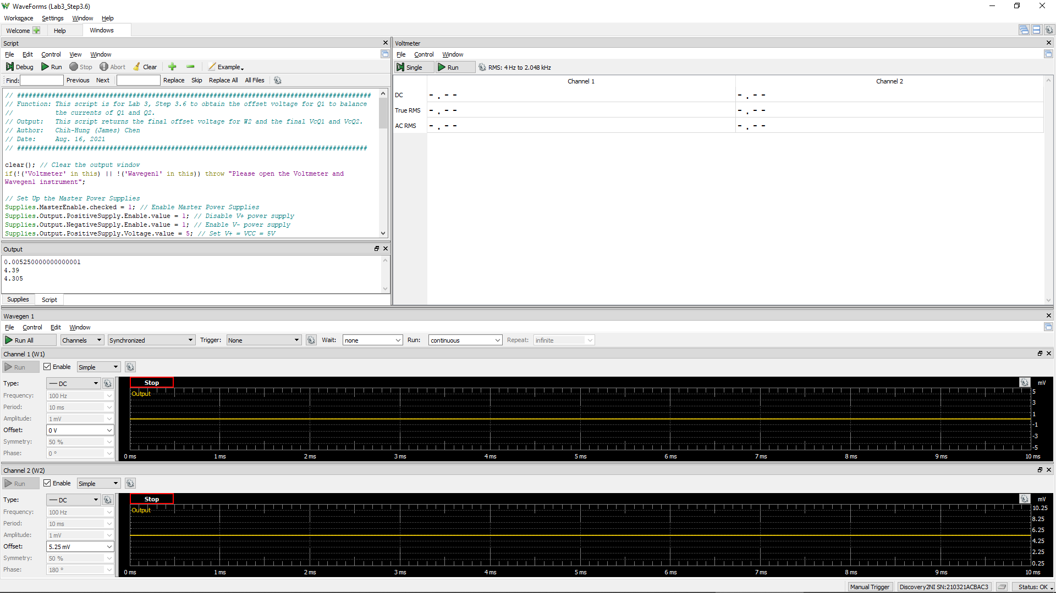
VCC =VE9 = VE8 | VC1 (= VC9 = VB9 = VB8) | Vo (= VC2 = VC8) | VEB9 | VBC8 | W2Offset
Volt | Volt | Volt | Volt | Volt | Volt
5.0 | 4.511 | 3.98 | 0.5 | 0.531 | 2.85E-03
 |  |  | Q9 is ON if VEB9 > 0.6 | Q8 is in Active Region if VBC8 > -0.4 V

Step 3.8
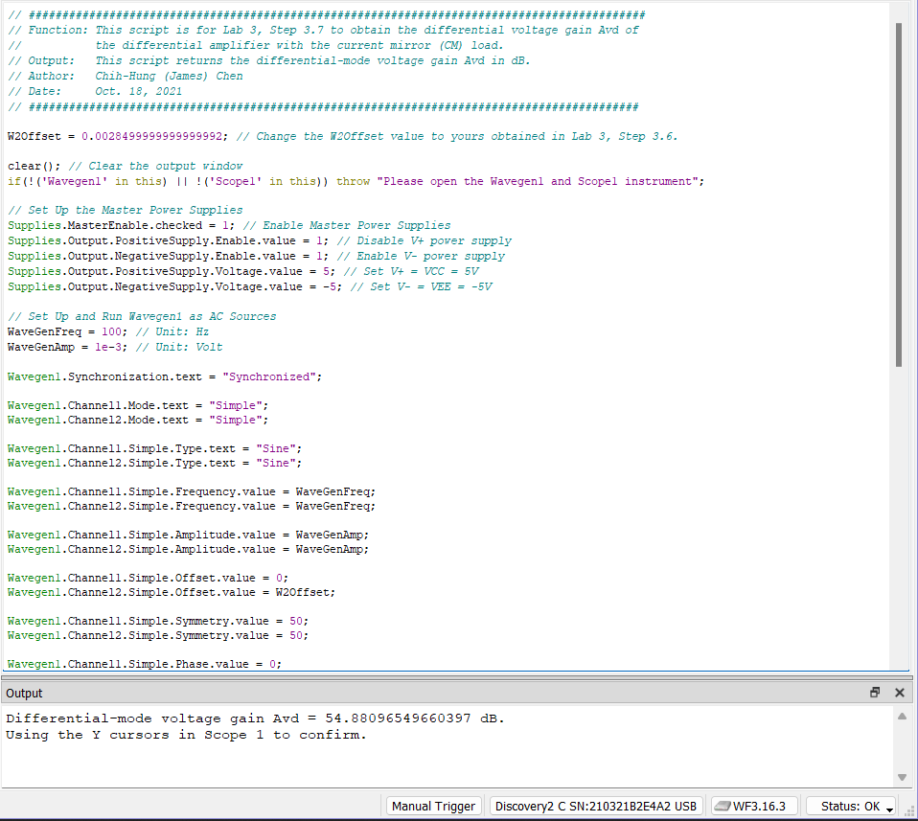
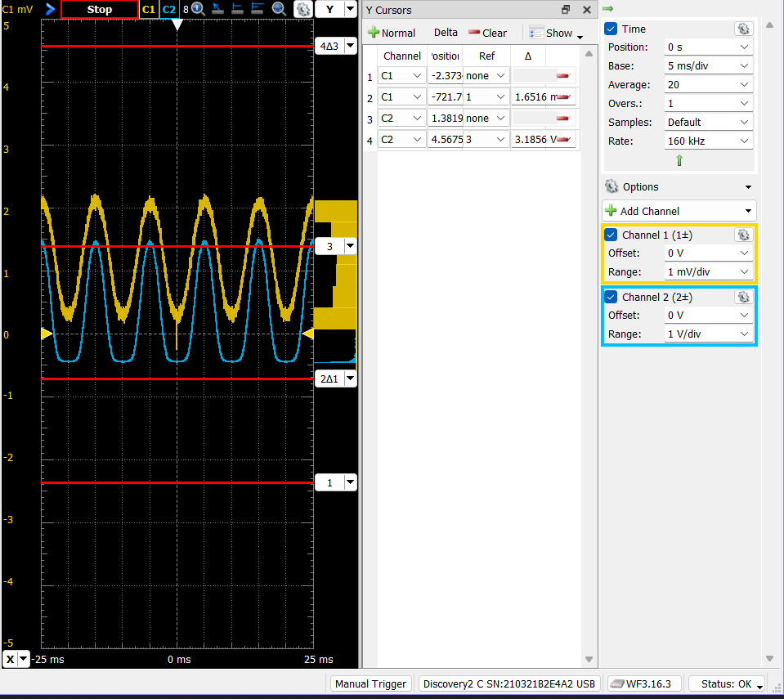
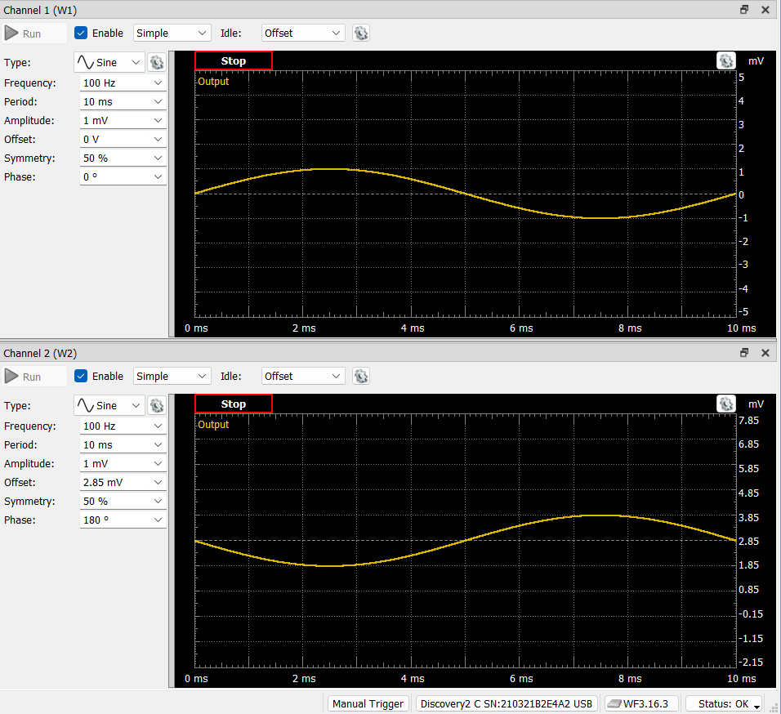
DC1 (V) = Vsig(Peak2Peak) | DC2 (V) = Vo(Peak2Peak) | Differential Voltage Gain Avd of a Single-Stage Differential Amplifier (dB)
1.6516E-03 | 3.1856 | 59.7

